Object Types-Properties
Objects |  |  |  |  |  |  | Properties: Input from MINnD + other sources |  | Properties: IFC proposal /Discussion |  |  |  |  |  | Objects
Level 0 | Level 1 | Level 2 | Level 3 | Level 4 | Level 5 | Property Set / Group by MINnD | Priority Rating/1st proposal IFC 1 = mandatory 2 = common 3 = rare | PropertyName (input e.g. MINnD,…) | Proposed ShortName for IFC | Data type / Unit | Example/Value/ Property description... | Standards (source) or description | Comment internal discussion | OYO Comment(10/27) | IFC object definition (based on ISO, ITA, etc.) in blue : no reference, to be discussed. | Geometry
Ground model |  |  |  |  |  |  |  |  |  |  |  |  |  |  | This IfcDistributionElement is a generalization of all elements that participate in a distribution system. Typical examples of IfcDistributionElement's are (among others): heating systems, cooling system, ventilation, system, plumbing system, drainage system
(Book A)
Book A | SpatialGeoObsElements | Borehole |  |  | Pset_SpatialGeoObsBorehole |  | 1 | Name | BoreholeName | IfcLabel | BH1 | OGC GeoSciML Observation Support in OGC |  |  | OGC GeoSciML.Borehole : A Borehole is the generalized term for any narrow shaft drilled in the ground, either vertically, horizontally, or inclined. | x
Book A | SpatialGeoObsElements | Borehole |  |  | Pset_SpatialGeoObsBorehole |  | 1 | Type | BoreholeType | IfcLabel[1..*] | CoreDrilling/Destructivedrilling/trialpit
Book A | SpatialGeoObsElements | Borehole |  |  | Pset_SpatialGeoObsBorehole |  | 1 | Date | Dates drilled |  | 01.01.2020- 01.02.2020
Book A | SpatialGeoObsElements | Borehole |  |  | Pset_SpatialGeoObsBorehole |  | 1 | Location | Location | IfcCartesianPoint
Book A | SpatialGeoObsElements | Borehole |  |  | Pset_SpatialGeoObsBorehole |  | 1 | Angle from Horizontal | Inclination | IfcPlaneAngleMeasure | 60°
Book A | SpatialGeoObsElements | Borehole |  |  | Pset_SpatialGeoObsBorehole |  | 1 | Azimuth | Azimuth | IfcPlaneAngleMeasure | 234°
Book A | SpatialGeoObsElements | Borehole |  |  | Pset_SpatialGeoObsBorehole |  | 1 | Depth | Depth | IfcPositiveLengthMeasure | 200m
Book A | SpatialGeoObsElements | Borehole |  |  | Pset_SpatialGeoObsBorehole |  | 1 | purpose | Purpose | IfcText | If present, the purpose property reports the purpose for which the borehole was drilled. |  |  |  | A drilling process in which borehole is performed by cutting out cylindrical rock or soil samples in the field, using a core barrel.
[KT] BoreholeState: There already is Pset_BoreholeCommon - BoreholeState. Can its data type (PEnum_BoreholeState) be used here?
Book A | SpatialGeoObsElements | Borehole |  |  | Pset_SpatialGeoObsBorehole |  | 1 | status | BoreholeState | PEnum_BoreholeState | If present, the property status reports the current status of the borehole. |  |  |  | A drilling process in which the boring is performed using destructive tools
Book A | SpatialGeoObsElements | Borehole |  |  | Pset_SpatialGeoObsBorehole |  | 1 | operator | Operator | IfcLabel | If present, the property operator reports the organisation or agency responsible for commissioning of the borehole (as opposed to the agency which drilled the borehole).
Book A | SpatialGeoObsElements | Borehole |  |  | Pset_SpatialGeoObsBorehole |  | 1 | driller | Driller | IfcLabel | If present, the property driller reports the organisation responsible for drilling the borehole (as opposed to commissioning the borehole).
[KT] BoreholeLength: Is it different to "Depth" in this pset?
Book A | SpatialGeoObsElements | Borehole |  |  | Pset_SpatialGeoObsBorehole |  | 1 | boreholeLength | BoreholeLength |  | If present, the property boreholeLength reports the length of a borehole, in metres, as determined by the data provider. Length may have different sources (e.g., driller's measurement, logger's measurement, survey measurement). |  |  |  | An excavation made for the purpose of observing shallow subsurface conditions, performing field tests and obtaining soil samples.
Book A | SpatialGeoObsElements | Borehole |  |  | Pset_SpatialGeoObsBorehole |  | 1 |  | DrillingMethod
Book A | SpatialGeoObsElements | Borehole |  |  | Pset_SpatialGeoObsBorehole |  | 2 |  | Comments
Book A | SpatialGeoObsElements | Borehole |  |  | Pset_SpatialGeoObsBorehole |  | 1 |  | LinktoData
Book A | SpatialGeoObsElements | Sample |  |  | Pset_SpatialGeoObsSample |  | 1 | "Observation support" | ReferenceSpatialGeoObsElement | IfcLabel | BH1 |  | Reference to other object in the structure, attach sample to borehole, mappedZone,… |  | OGC GeoSciML.Specimen : A Specimen is a physical sample, obtained for observation(s) carried out ex situ, sometimes in a laboratory. | x | OGC GeoSciML, BS1377-1990,AGS
Book A | SpatialGeoObsElements | Sample |  |  | Pset_SpatialGeoObsSample |  | 1 |  | Date | IfcDateTime | Date when the sampel was taken
Book A | SpatialGeoObsElements | Sample |  |  | Pset_SpatialGeoObsSample |  | 1 | SampleType | Sampletype | IfcLabel[1..*] | Geotech/Hydraulic/Chemical |  |  |  | source of types?
Book A | SpatialGeoObsElements | Sample |  |  | Pset_SpatialGeoObsSample |  | 1 | SampleDepth | SampleDepthRange | IfcPropertyBoundedValue | [10, 11]
Book A | SpatialGeoObsElements | Sample |  |  | Pset_SpatialGeoObsSample |  | 1 | SampleName | SampleName | IfcLabel
Book A | SpatialGeoObsElements | Sample |  |  | Pset_SpatialGeoObsSample |  | 1 | SampleMethod | SampleMethod | IfcLabel | Standard penetration test liner sample | Corresponding to the'sample_type' in the AGS format
Book A | SpatialGeoObsElements | Sample |  |  | Pset_SpatialGeoObsSample |  | 2 |  | SampleCategory | IfcLabel[1..*] | A/B/C | ISO22475-1:2006 https://geotechnicaldesign.info/iso22475-1/g7-1.html#g72 this cell shoud cover domestic category
Book A | SpatialGeoObsElements | Sample |  |  | Pset_SpatialGeoObsSample |  | 1 |  | Purpose | IfcText
Book A | SpatialGeoObsElements | Sample |  |  | Pset_SpatialGeoObsSample |  | 2 |  | Comments | IfcText | Intact/disturbed/ loss of moisture...
Book A | SpatialGeoObsElements | Sample |  |  | Pset_SpatialGeoObsSample |  | 1 |  | LinktoData
Book A | SpatialGeoObsElements | Sensor |  |  | Pset_SpatialGeoObsSensor |  | 1 | PlacementType | PlacementType | enum | Monitoring/Survey |  |  |  | INSPIRE EnvironmentalMonitoringFacilities.EnvironmentalMonitoringFacility : A georeferenced object directly collecting or processing data about objects whose properties (e.g. physical, chemical, biological or other aspects of environmental conditions) are repeatedly observed or measured. | x | OGC / ISO: "Fixed Sensor", fixed-installed device which collects frequent measurements
Book A | SpatialGeoObsElements | Sensor |  |  | Pset_SpatialGeoObsSensor |  | 1 | Locations | Locations | IfcCartesianPoint[1..*] |  |  |  |  |  |  | OGC / ISO: "mobile Sensor", sensor which is installed only for a certain survey or campaign
Book A | SpatialGeoObsElements | Sensor |  |  | Pset_SpatialGeoObsSensor |  | 1 | SensorType | SensorType | IfcLabel | inclinometer/geophone/EC/…
Book A | SpatialGeoObsElements | Sensor |  |  | Pset_SpatialGeoObsSensor |  | 1 | SensorName | SensorName | IfcLabel
Book A | SpatialGeoObsElements | Sensor |  |  | Pset_SpatialGeoObsSensor |  | 1 | MeasurementDate | MeasurementDate | IfcWorkTime
Book A | SpatialGeoObsElements | Sensor |  |  | Pset_SpatialGeoObsSensor |  | 1 | ReferenceDocuments | LinktoData | IfcDocumentReference[0:?]
Book A | SpatialGeoObsElements | Sensor |  |  | Pset_SpatialGeoObsSensor |  | 1 |  | link to monitoring platform
Book A | SpatialGeoObsElements | Sensor |  |  | Pset_SpatialGeoObsSensor |  |  | Comments | Comments | IfcText
Book A | SpatialGeoObsElements | MappedZone |  |  | Pset_SpatialGeoObsMappedZoneCommon | (for all subtypes) | 1 | ProjectName | ProjectName | IfcLabel | Tunnel xy
Book A | SpatialGeoObsElements | MappedZone |  |  | Pset_SpatialGeoObsMappedZoneCommon |  | 1 | Date | Date | IfcDateTime | 01.01.2020
Book A | SpatialGeoObsElements | MappedZone |  |  | Pset_SpatialGeoObsMappedZoneCommon |  | 1 | MappedBy | MappedBy | IfcLabel | wjo
Book A | SpatialGeoObsElements | MappedZone |  |  | Pset_SpatialGeoObsMappedZoneCommon |  | 1 | ObservedMappedUnits | GeolUnit | IfcLabel | Posidinia Schist
Book A | SpatialGeoObsElements | MappedZone |  |  | Pset_SpatialGeoObsMappedZoneCommon |  | 1 | ObservedLithology | Lithology | IfcLabel | Schist
Book A | SpatialGeoObsElements | MappedZone |  |  | Pset_SpatialGeoObsMappedZoneCommon |  | 1 | Description | Description | IfcText | (text)
Book A | SpatialGeoObsElements | MappedZone |  |  | Pset_SpatialGeoObsMappedZoneCommon |  | 1 | Weathering | Weathering | IfcLabel | 2
[KT] GSI: integer? or range of integer?
RMR: Integer? or range of integer?
Q-value: real?
Book A | SpatialGeoObsElements | MappedZone |  |  | Pset_SpatialGeoObsMappedZoneCommon |  | 1 | GSI | GSI | IfcLabel | 30-40
Book A | SpatialGeoObsElements | MappedZone |  |  | Pset_SpatialGeoObsMappedZoneCommon |  | 1 | RMR | RMR | IfcLabel | 0-100 | 65
Book A | SpatialGeoObsElements | MappedZone |  |  | Pset_SpatialGeoObsMappedZoneCommon |  | 1 | Q-value | Q-value | IfcLabel | float | 70
Book A | SpatialGeoObsElements | MappedZone |  |  | Pset_SpatialGeoObsMappedZoneCommon |  | 1 | ObservationForm | ObservationForm | IfcDocumentReference | Reference to mapping sheet or other document
Book A | SpatialGeoObsElements | MappedZone |  |  | Pset_SpatialGeoObsMappedZoneCommon |  | 1 | ClassificationBasisDocument | ClassificationBasisDocument | IfcDocumentReference | Geotechnical report, link to model of Book B?
Book A | SpatialGeoObsElements | MappedZone | ExcavatedZone |  | Pset_SpatialGeoObsExcavatedZone |  | 1 | Type |  |  | Round (conventional) / Ring (TBM) |  |  |  | For example for interpreted TBM-data Certain section along the alingment (e.g. TBM ring) with associated properties on encountered ground contions, classifications based on TBM records, excavated material,…
Book A | SpatialGeoObsElements | MappedZone | ExcavatedZone |  | Pset_SpatialGeoObsExcavatedZone |  |  |  | Area | TunnelFace/WallArea/Slope
Book A | SpatialGeoObsElements | MappedZone | ExcavatedZone |  | Pset_SpatialGeoObsExcavatedZone | (Only TunnelWallArea and ExcavatedZone) | 1 | ChainageFrom | ChainageFrom |  | KM0+050.00
Book A | SpatialGeoObsElements | MappedZone | ExcavatedZone |  | Pset_SpatialGeoObsExcavatedZone | (Only TunnelWallArea and ExcavatedZone) | 1 | ChainageTo | ChainageTo |  | KM0+100.00
Book A | SpatialGeoObsElements | MappedZone | ExcavatedZone |  | Pset_SpatialGeoObsExcavatedZone |  | 1 | ExcStep | ExcStep |  | TopHeading
Book A | SpatialGeoObsElements | MappedZone | ExcavatedZone |  | Pset_SpatialGeoObsExcavatedZone |  | 1 | ExcMethod | ExcMethod |  | DrillBlast
Book A | SpatialGeoObsElements | MappedZone | ExcavatedZone |  | Pset_SpatialGeoObsExcavatedZone |  | 1 | Chainage | Chainage |  | KM0+035.50
Book A | SpatialGeoObsElements | MappedZone | ExcavatedZone |  | Pset_SpatialGeoObsExcavatedZone |  | 1 | LogNo. | LogNo. |  | 35
Book A | SpatialGeoObsElements | MappedZone | TunnelFace |  | Pset_SpatialGeoObsTunnelFace | (subtypes TunnelFace and TunnelWallArea) |  | Type |  |  |  |  |  |  | The excavated tunnel heading where the natural ground conditions are exposed, and soil or rock can be mapped (can be excavated partially as well)
Book A | SpatialGeoObsElements | MappedZone | TunnelFace |  | Pset_SpatialGeoObsTunnelFace |  |  | ExcStep
Book A | SpatialGeoObsElements | MappedZone | TunnelFace |  | Pset_SpatialGeoObsTunnelFace |  |  | ExcMethod
Book A | SpatialGeoObsElements | MappedZone | TunnelFace |  | Pset_SpatialGeoObsTunnelFace |  |  | Chainage
Book A | SpatialGeoObsElements | MappedZone | TunnelFace |  | Pset_SpatialGeoObsTunnelFace |  |  | LogNo.
Book A | SpatialGeoObsElements | MappedZone | TunnelFace |  | Pset_SpatialGeoObsTunnelFace |  | 1 | TBMclassification | TBMclassification
Book A | SpatialGeoObsElements | MappedZone | TunnelWallArea |  | Pset_SpatialGeoObsTunnelWallArea |  |  | Type |  |  | Round (conventional) / Ring (TBM) |  |  |  | A segment of the tunnel wall where the natural ground conditions are exposed, and soil or rock can be mapped
Book A | SpatialGeoObsElements | MappedZone | TunnelWallArea |  | Pset_SpatialGeoObsTunnelWallArea | (Only TunnelWallArea and ExcavatedZone) |  | ChainageFrom |  |  | KM0+050.00
Book A | SpatialGeoObsElements | MappedZone | TunnelWallArea |  | Pset_SpatialGeoObsTunnelWallArea | (Only TunnelWallArea and ExcavatedZone) |  | ChainageTo |  |  | KM0+100.00
Book A | SpatialGeoObsElements | MappedZone | TunnelWallArea |  | Pset_SpatialGeoObsTunnelWallArea |  |  | ExcStep |  |  | TopHeading
Book A | SpatialGeoObsElements | MappedZone | TunnelWallArea |  | Pset_SpatialGeoObsTunnelWallArea |  |  | ExcMethod |  |  | DrillBlast
Book A | SpatialGeoObsElements | MappedZone | TunnelWallArea |  | Pset_SpatialGeoObsTunnelWallArea |  |  | Chainage |  |  | KM0+035.50
Book A | SpatialGeoObsElements | MappedZone | TunnelWallArea |  | Pset_SpatialGeoObsTunnelWallArea |  |  | LogNo. |  |  | 35
Book A | SpatialGeoObsElements | MappedZone | TunnelWallArea |  | Pset_SpatialGeoObsTunnelWallArea |  |  | TBMclassification |  |  |  | Specific rock mass classification based on TNM data
Book A | SpatialGeoObsElements | MappedZone | SlopeArea |  | Pset_SpatialGeoObsSlopeArea |  | 1 | Elevation | Elevation |  | 530masl |  |  |  | A segment of an artificial cut slope where the natural ground conditions are exposed, and soil or rock can be mapped during construction
Book A | SpatialGeoObsElements | MappedZone | SlopeArea |  | Pset_SpatialGeoObsSlopeArea |  | 1 | SlopeHeight | SlopeHeight |  | 7m
Book A | SpatialGeoObsElements | MappedZone | SlopeArea |  | Pset_SpatialGeoObsSlopeArea |  | 1 | ChainageFrom |  |  | KM0+050.00
Book A | SpatialGeoObsElements | MappedZone | SlopeArea |  | Pset_SpatialGeoObsSlopeArea |  | 1 | ChainageTo |  |  | KM0+075.00
Book A | SpatialGeoObsElements | MappedZone | FieldOutcrop |  | Pset_SpatialGeoObsFieldOutcrop |  | 1 | OutcropNo | OutcropId | IfcLabel | 01 |  |  |  | A limited zone where the natural ground conditions are exposed, and soil or rock can be mapped
Book A | SpatialGeoObsElements | MappedZone | FieldOutcrop |  | Pset_SpatialGeoObsFieldOutcrop |  | 1 | Location | Location | IfcCartesianPoint
Book A | SpatialGeoObsElements | MappedZone | FieldOutcrop |  | Pset_SpatialGeoObsFieldOutcrop |  | 1 | AzimuthExposure | AzimuthExposure | IfcPlaneAngleMeasure | 50
Book A | SpatialGeoObsElements | TestedZone |  |  | Pset_SpatialGeoObsTestedZone |  | 1 | Dimension | Dimension | IfcDimensionCount | 0D / 1D / 2D / 3D |  | distinguish 1,2,3 D in geometry instead of object type? --> Tech Team! |  | A limited zone subjected to in situ tests. "Container-geometry" to carry the information on test results, methodology and other metadata | 0d, 1d, 2d, 3d For geophysical surveys and in-situ tests (that are not made in a borehole)
Book A | SpatialGeoObsElements | TestedZone |  |  | Pset_SpatialGeoObsTestedZone |  | 1 | Coordinates | Coordinates | IfcCartesianPoint[1..*] |  |  | 0D: A point specified by an IfcCartesianPoint 1D: connect all IfcCartesianPoint to represent a possibly curved transect 2D: connect all IfcCartesianPoint and close the loop to express an arbitrary-shaped area 3D: 8 IfcCartesianPoint to define a cube to represent survey volume. The bounding box of a voxel data should be a cube and match the volume
Book A | Observation or Measurement Result Mapping | Borehole Data Representation |  |  | Pset_SpatialGeoObsBoreholeCommon |  | 1 | BoreholeName | BoreholeName | IfcLabel | BH1 |  |  |  | Any kind of information related to intervals or points on the borehole axis | x
Book A | Observation or Measurement Result Mapping | Borehole Data Representation |  |  | Pset_SpatialGeoObsBoreholeCommon |  | 1 | DepthRange | DepthRange | IfcPropertyBoundedValue | [5,10] |  | Jonas: Instead of depth/from to defined for subtypes?
Book A | Observation or Measurement Result Mapping | Borehole Data Representation | GeoLogInterval |  | Pset_SpatialGeoObsBoreholeGeoLogInterval |  | 1 | GeologyCode | GeologyCode | IfcLabel | Schist
Book A | Observation or Measurement Result Mapping | Borehole Data Representation | GeoLogInterval |  | Pset_SpatialGeoObsBoreholeGeoLogInterval |  | 2 | Description | Description | IfcText
Book A | Observation or Measurement Result Mapping | Borehole Data Representation | GeoLogInterval |  | Pset_SpatialGeoObsBoreholeGeoLogInterval |  | 1 | Weathering | Weathering | IfcLabel
Book A | Observation or Measurement Result Mapping | Borehole Data Representation | GeoLogInterval |  | Pset_SpatialGeoObsBoreholeGeoLogInterval |  | 1 | FractureIndex | FractureIndex | IfcPositiveLengthMeasure | 4 | ISO14689
Book A | Observation or Measurement Result Mapping | Borehole Data Representation | GeoLogInterval |  | Pset_SpatialGeoObsBoreholeGeoLogInterval |  | 1 | RQD (Rock Quality Designation) | RockQualityDesignation | IfcPositiveRatioMeasure | 85 | ISO14689
Book A | Observation or Measurement Result Mapping | Borehole Data Representation | GeoLogInterval |  | Pset_SpatialGeoObsBoreholeGeoLogInterval |  | 1 | TotalCoreRecovery | TotalCoreRecovery | IfcPositiveRatioMeasure | 95% | ISO14689
Book A | Observation or Measurement Result Mapping | Borehole Data Representation | GeoLogInterval |  | Pset_SpatialGeoObsBoreholeGeoLogInterval |  | 1 | SolidCoreRecovery | SolidCoreRecovery | IfcPositiveRatioMeasure | 90 | ISO14689
Book A | Observation or Measurement Result Mapping | Borehole Data Representation | GeoLogInterval |  | Pset_SpatialGeoObsBoreholeGeoLogInterval |  | 1 | GeotechUnit | GeotechUnit | IfcLabel | Ref to Book B!
Book A | Observation or Measurement Result Mapping | Borehole Data Representation | GeoLogInterval |  | Pset_SpatialGeoObsBoreholeGeoLogInterval |  | 1 | GeologicalUnit | GeolUnit | IfcLabel | Ref to Book B!
Book A | Observation or Measurement Result Mapping | Borehole Data Representation | BoreholeConstruction |  | Pset_SpatialGeoObsBoreholeConstruction |  | 1 | Diameter | Diameter | IfcPositiveLengthMeasure | 100mm
Book A | Observation or Measurement Result Mapping | Borehole Data Representation | BoreholeConstruction |  | Pset_SpatialGeoObsBoreholeConstruction |  | 1 | Casing | LiningMaterial | IfcLabel | steel
Book A | Observation or Measurement Result Mapping | Borehole Data Representation | BoreholeConstruction |  | Pset_SpatialGeoObsBoreholeConstruction |  | 1 | Filter | Filter | IfcBoolean | no
Book A | Observation or Measurement Result Mapping | Borehole Data Representation | BoreholeConstruction |  | Pset_SpatialGeoObsBoreholeConstruction |  | 1 | Installation | Installation | IfcLabel | e.g. monitpring instrumentation, inclinometer, extensometer,…
Book A | Observation or Measurement Result Mapping | Borehole Data Representation | GeophysicalInterval |  | Pset_SpatialGeoObsBoreholeGeophysicalInterval |  | 1 | PhysicalQuantity | PhysicalQuantity | IfcPhysicalQuantity[1..*] | PwaveVelocity / SwaveVelocity / Resistivity / DynEmodulus / PoissonRatio / … |  |  |  | Typical information collected in continuous geophysical logs, e.g. Pwave velocity, Resistivity, Gamma ray, Density, Caliper, Acoustic and optic scan,… Distinguished from geophysical surveys that measure the conditions in greater distance around the borehole | x
Book A | Observation or Measurement Result Mapping | Borehole Data Representation | GeophysicalInterval |  | Pset_SpatialGeoObsBoreholeGeophysicalInterval |  | 1 | PhysicalQuantityValue | PhysicalQuantityValue | IfcValue[1..*]
Book A | Observation or Measurement Result Mapping | Borehole Data Representation | GeophysicalInterval |  | Pset_SpatialGeoObsBoreholeGeophysicalInterval |  | 1 | PhysicalQuantityUnit | PhysicalQuantityUnit | IfcUnit[1..*] | m/s / GPa / …
Book A | Observation or Measurement Result Mapping | Borehole Data Representation | MWD-Interval |  | Pset_SpatialGeoObsBoreholeMWDInterval |  | 1 | Hardness |  |  | MPa |  | check with software developers for MWD handling |  | "Measure While Drilling" data are collected during destructive drilling in short intervals and conatin information like water flow, advance rates, drilling resistence,... For exchanged in IFC, interpreted MWD-data or key-attributes are expected | x
Book A | Observation or Measurement Result Mapping | Borehole Data Representation | MWD-Interval |  | Pset_SpatialGeoObsBoreholeMWDInterval |  | 1 | Cracking |  |  | (classes) |  | check with software developers for MWD handling
Book A | Observation or Measurement Result Mapping | Borehole Data Representation | MWD-Interval |  | Pset_SpatialGeoObsBoreholeMWDInterval |  | 1 | WaterLeakage |  |  | (classes) |  | check with software developers for MWD handling
Book A | Observation or Measurement Result Mapping | Borehole Data Representation | BoreholeTestRepresentation |  |  | (only link to BoreholeTest) |  |  |  |  |  |  | Jonas: Do we need this object when it includes only a reference? |  | Interval or point representing the geometry /location of the test results | x
Book A | Observation or Measurement Result Mapping | Observed Objects |  |  |  |  |  | Type |  |  | foliation, bedding, joint set 1,… | ISO14689, ISRM | Rie:The geometry of a discontinuity set is illustrated by aggregation of discontinuity surface. If this entity means the investigation result on geometrical information of discontinuity discontinuity distribution in rock mass(ISO 14689-1:2003), it better move to the test/measurement. |  | shape of a structure like a contact or tectonic fault mapped as a planar feature or trace line
Book A | Observation or Measurement Result Mapping | Observed Objects |  |  |  |  |  | DipDirection |  |  | N230 | ISO14689, ISRM
Book A | Observation or Measurement Result Mapping | Observed Objects |  |  |  |  |  | DipAngle |  |  | 65SE | ISO14689, ISRM
Book A | Observation or Measurement Result Mapping | Observed Objects |  |  |  |  |  | Spacing |  |  | 20-60cm | ISO14689, ISRM
[KT] Pset previously for observedObjects/DiscontinuitySet.Common properties for all subtypes? What should these be called? Repetition of obs/observation...
Need to remove the duplications of properties in subtypes
Book A | Observation or Measurement Result Mapping | Observed Objects |  |  |  |  |  | Persistence |  |  | 3-10 | ISO14689, ISRM
Book A | Observation or Measurement Result Mapping | Observed Objects |  |  |  |  |  | Roughness |  |  | undulating/smooth | ISO14689, ISRM
Book A | Observation or Measurement Result Mapping | Observed Objects |  |  |  |  |  | ApertureThickness |  |  | 0.1-1cm | ISO14689, ISRM
Book A | Observation or Measurement Result Mapping | Observed Objects |  |  |  |  |  | Weathering |  |  | W1-W6 | ISO14689, ISRM
Book A | Observation or Measurement Result Mapping | Observed Objects |  |  |  |  |  | Filling |  |  | Oxide, Fault gouge
Book A | Observation or Measurement Result Mapping | Observed Objects |  |  |  |  |  | Water |  |  | no
Book A | Observation or Measurement Result Mapping | Observed Objects |  |  |  |  |  | JRC |  |  | 2-4
Book A | Observation or Measurement Result Mapping | Observed Objects |  |  |  |  |  | comment |  |  | Mean slickenside in fault zone xy
Book A | Observation or Measurement Result Mapping | Observed Objects | MappedUnit |  | Pset_SpatialGeoObsMappedUnit |  |  | AreaNo. | AreaID |  | 1 | Indication of the MappedUnit in the same Mapped Zone
Book A | Observation or Measurement Result Mapping | Observed Objects | MappedUnit |  | Pset_SpatialGeoObsMappedUnit |  |  | CoveragePercentage | CoveragePercentage |  | 60 | related to the MappedZone, e.g.% of the tunnel face where a certian ground types was documented
Book A | Observation or Measurement Result Mapping | Observed Objects | MappedUnit |  | Pset_SpatialGeoObsMappedUnit |  |  | GeotechUnit | GeotechUnit |  | GT4b | e.g. ground type as described in report and modelled in Book B
Book A | Observation or Measurement Result Mapping | Observed Objects | MappedUnit |  | Pset_SpatialGeoObsMappedUnit |  |  | RockType | RockSoilType |  | Schist
Book A | Observation or Measurement Result Mapping | Observed Objects | MappedUnit |  | Pset_SpatialGeoObsMappedUnit |  |  | Weathering | Weathering |  | 2
Book A | Observation or Measurement Result Mapping | Observed Objects | MappedUnit |  | Pset_SpatialGeoObsMappedUnit |  |  | DiscSpacing | DiscSpacing |  | 20-60vm
Book A | Observation or Measurement Result Mapping | Observed Objects | MappedUnit |  | Pset_SpatialGeoObsMappedUnit |  |  |  | Comment
Book A | Observation or Measurement Result Mapping | Observed Objects | MappedUnit |  | Pset_SpatialGeoObsMappedUnit |  |  |  | LinktoData
Book A | Observation or Measurement Result Mapping | Observed Objects | DiscontinuitySurface |  | Pset_SpatialGeoObsDiscontinuitySurfaceCommon | (for all subtypes) | 1 | Type | Type |  | foliation, bedding, joint set 1,… | ISO14689, ISRM |  |  | Distinctly mapped structures that have been observed on "MappedZones"
Book A | Observation or Measurement Result Mapping | Observed Objects | DiscontinuitySurface |  | Pset_SpatialGeoObsDiscontinuitySurfaceCommon |  | 1 | DipDirection | DipDirection |  | N230 | ISO14689, ISRM
Book A | Observation or Measurement Result Mapping | Observed Objects | DiscontinuitySurface |  | Pset_SpatialGeoObsDiscontinuitySurfaceCommon |  | 1 | DipAngle | DipAngle |  | 65SE | ISO14689, ISRM
[KT] DiscontinuitySurface: There is only one subtype. Does it make sense to have the subtype and to have Psets specifically for the subtype?
Book A | Observation or Measurement Result Mapping | Observed Objects | DiscontinuitySurface |  | Pset_SpatialGeoObsDiscontinuitySurfaceCommon |  | 1 | Spacing | Spacing |  | 20-60cm | ISO14689, ISRM
Book A | Observation or Measurement Result Mapping | Observed Objects | DiscontinuitySurface |  | Pset_SpatialGeoObsDiscontinuitySurfaceCommon |  | 1 | Persistence | Persistence |  | 3-10 | ISO14689, ISRM
Book A | Observation or Measurement Result Mapping | Observed Objects | DiscontinuitySurface |  | Pset_SpatialGeoObsDiscontinuitySurfaceCommon |  | 1 | Roughness | Roughness |  | undulating/smooth | ISO14689, ISRM
Book A | Observation or Measurement Result Mapping | Observed Objects | DiscontinuitySurface |  | Pset_SpatialGeoObsDiscontinuitySurfaceCommon |  | 1 | ApertureThickness | ApertureThickness |  | 0.1-1cm | ISO14689, ISRM
Book A | Observation or Measurement Result Mapping | Observed Objects | DiscontinuitySurface |  | Pset_SpatialGeoObsDiscontinuitySurfaceCommon |  | 1 | Weathering | Weathering |  | W1-W6 | ISRM
Book A | Observation or Measurement Result Mapping | Observed Objects | DiscontinuitySurface |  | Pset_SpatialGeoObsDiscontinuitySurfaceCommon |  | 1 | Filling | Filling |  | Oxide, Fault gouge | ISO14689, ISRM
Book A | Observation or Measurement Result Mapping | Observed Objects | DiscontinuitySurface |  | Pset_SpatialGeoObsDiscontinuitySurfaceCommon |  | 1 | Water | Water |  | moist
Book A | Observation or Measurement Result Mapping | Observed Objects | DiscontinuitySurface |  | Pset_SpatialGeoObsDiscontinuitySurfaceCommon |  | 1 | JRC | JRC |  | 2-4 | ISRM
Book A | Observation or Measurement Result Mapping | Observed Objects | DiscontinuitySurface |  | Pset_SpatialGeoObsDiscontinuitySurfaceCommon |  | 1 | comment | comment |  | Mean slickenside in fault zone xy
Book A | Observation or Measurement Result Mapping | Observed Objects | DiscontinuitySurface | FaultSurface | Pset_SpatialGeoObsDiscontinuitySurfaceFault | (for this subtype) | 1 | FaultName | FaultName |  | Kiandra Fault
Book A | Observation or Measurement Result Mapping | Observed Objects | DiscontinuitySurface | FaultSurface | Pset_SpatialGeoObsDiscontinuitySurfaceFault |  | 1 | FaultType | FaultType |  | normal fault
Book A | Observation or Measurement Result Mapping | Observed Objects | DiscontinuitySurface | FaultSurface | Pset_SpatialGeoObsDiscontinuitySurfaceFault |  | 1 | movement | Movement |  | dip slip
Book A | Observation or Measurement Result Mapping | Observed Objects | DiscontinuitySurface | FaultSurface | Pset_SpatialGeoObsDiscontinuitySurfaceFault |  | 1 | length | Length |  | clay, cataclasit, fault gouge,...
Book A | Observation or Measurement Result Mapping | Observed Objects | DiscontinuitySurface | FaultSurface | Pset_SpatialGeoObsDiscontinuitySurfaceFault |  | 1 | FaultMaterial | FaultMaterial |  | 5m
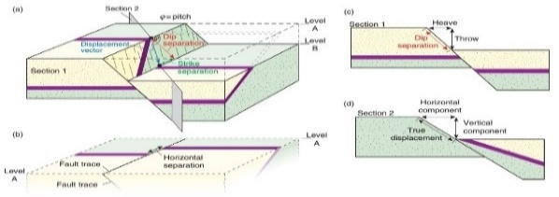
Book A | Observation or Measurement Result Mapping | Observed Objects | DiscontinuitySurface | FaultSurface | Pset_SpatialGeoObsDiscontinuitySurfaceFault |  | 1 | FaultThickness | FaultThickness |  | 65° | ?
Book A | Observation or Measurement Result Mapping | Observed Objects | DiscontinuitySurface | FaultSurface | Pset_SpatialGeoObsDiscontinuitySurfaceFault |  | 1 | pitch angle | PitchAngle |  | 7m
Book A | Observation or Measurement Result Mapping | Observed Objects | DiscontinuitySurface | FaultSurface | Pset_SpatialGeoObsDiscontinuitySurfaceFault |  | 1 | offset | Offset
Book A | Observation or Measurement Result Mapping | Observed Objects | DiscontinuitySurface | FaultSurface | Pset_SpatialGeoObsDiscontinuitySurfaceFault |  | 1 | throw | Throw
Book A | Observation or Measurement Result Mapping | Observed Objects | DiscontinuitySurface | FaultSurface | Pset_SpatialGeoObsDiscontinuitySurfaceFault |  | 1 | heave | Heave
Book A | Observation or Measurement Result Mapping | Observed Objects | DiscontinuitySurface | FaultSurface | Pset_SpatialGeoObsDiscontinuitySurfaceFault |  | 1 | dislpacement | Desplacement |  | 3m | measured parallel to the strike of the fault
Book A | Observation or Measurement Result Mapping | Observed Objects | DiscontinuitySurface | FaultSurface | Pset_SpatialGeoObsDiscontinuitySurfaceFault |  | 1 | strike separation | StrikeSeparation |  | 5m | measured parallel to the dip line of the fault
Book A | Observation or Measurement Result Mapping | Observed Objects | DiscontinuitySurface | FaultSurface | Pset_SpatialGeoObsDiscontinuitySurfaceFault |  | 1 | dip separation | DipSeparation
Book A | Observation or Measurement Result Mapping | Observed Objects | DiscontinuitySurface | FaultSurface | Pset_SpatialGeoObsDiscontinuitySurfaceFault |  | 2 |  | LinktoData
Book A | Observation or Measurement Result Mapping | Observed Objects | FoldAxis |  | Pset_SpatialGeoObsFoldAxis |  | 1 | Type | Type |  | FA |  | Rie:Fold? FoldAxis?
Book A | Observation or Measurement Result Mapping | Observed Objects | FoldAxis |  | Pset_SpatialGeoObsFoldAxis |  | 1 | DeformationPhase | DeformationPhase |  | 1
Book A | Observation or Measurement Result Mapping | Observed Objects | FoldAxis |  | Pset_SpatialGeoObsFoldAxis |  | 1 | Trend | Trend |  | 120°
Book A | Observation or Measurement Result Mapping | Observed Objects | FoldAxis |  | Pset_SpatialGeoObsFoldAxis |  | 1 | Plunge | Plunge |  | 50°
Book A | Observation or Measurement Result Mapping | Observed Objects | FoldAxis |  | Pset_SpatialGeoObsFoldAxis |  | 2 |  | Comments
Book A | Observation or Measurement Result Mapping | Observed Objects | FoldAxis |  | Pset_SpatialGeoObsFoldAxis |  | 2 |  | LinktoData
Book A | Observation or Measurement Result Mapping | Observed Objects | Lineation |  | Pset_SpatialGeoObsLineation |  | 1 |  | LineationType |  | flow lines, scratches, striae, slickenlines, linear arrangements of elongate components in sediments, elongate minerals, crinkles, and lines of intersection between penetrative planar structures. |  | refer to GML http://geosciml.org/doc/geosciml/3.0/documentation/html/GeoSciML/GeologicStructure/Lineation.html
Book A | Observation or Measurement Result Mapping | Observed Objects | Lineation |  | Pset_SpatialGeoObsLineation |  | 1 |  | DefiningElement |  | Kinds of describable inhomogeneity in a rock body that may define a GeologicStructure. Examples include Oriented Particle.
Book A | Observation or Measurement Result Mapping | Observed Objects | Lineation |  | Pset_SpatialGeoObsLineation |  | 2 |  | Intensity
Book A | Observation or Measurement Result Mapping | Observed Objects | Lineation |  | Pset_SpatialGeoObsLineation |  | 2 |  | mineralElement
Book A | Observation or Measurement Result Mapping | Observed Objects | Lineation |  | Pset_SpatialGeoObsLineation |  | 1 |  | Orientation
Book A | Observation or Measurement Result Mapping | Observed Objects | Lineation |  | Pset_SpatialGeoObsLineation |  | 2 |  | Comment
Book A | Observation or Measurement Result Mapping | Observed Objects | Lineation |  | Pset_SpatialGeoObsLineation |  | 2 |  | LinktoData
Book A | Observation or Measurement Result Mapping | Observed Objects | HydroGeologyObservation | WaterInflow | Pset_SpatialGeoObsHydroGeologyWaterInflow |  | 1 |  | Location |  |  |  |  |  | Linear structure that defines the geometry of a fold structure | x
Book A | Observation or Measurement Result Mapping | Observed Objects | HydroGeologyObservation | WaterInflow | Pset_SpatialGeoObsHydroGeologyWaterInflow |  | 1 |  | ChainageFrom
Book A | Observation or Measurement Result Mapping | Observed Objects | HydroGeologyObservation | WaterInflow | Pset_SpatialGeoObsHydroGeologyWaterInflow |  | 1 |  | ChainageTo
Book A | Observation or Measurement Result Mapping | Observed Objects | HydroGeologyObservation | WaterInflow | Pset_SpatialGeoObsHydroGeologyWaterInflow |  | 1 |  | ObserveArea | Point/Borehole/Unitary
Book A | Observation or Measurement Result Mapping | Observed Objects | HydroGeologyObservation | WaterInflow | Pset_SpatialGeoObsHydroGeologyWaterInflow |  | 1 |  | Name | Boreholename/pointname…
Book A | Observation or Measurement Result Mapping | Observed Objects | HydroGeologyObservation | WaterInflow | Pset_SpatialGeoObsHydroGeologyWaterInflow |  | 1 |  | Inflow
Book A | Observation or Measurement Result Mapping | Observed Objects | HydroGeologyObservation | WaterInflow | Pset_SpatialGeoObsHydroGeologyWaterInflow |  | 1 |  | InflowSum
Book A | Observation or Measurement Result Mapping | Observed Objects | HydroGeologyObservation | WaterInflow | Pset_SpatialGeoObsHydroGeologyWaterInflow |  | 2 |  | SourceType
Book A | Observation or Measurement Result Mapping | Observed Objects | HydroGeologyObservation | WaterInflow | Pset_SpatialGeoObsHydroGeologyWaterInflow |  | 2 |  | SourceArea
Book A | Observation or Measurement Result Mapping | Observed Objects | HydroGeologyObservation | WaterInflow | Pset_SpatialGeoObsHydroGeologyWaterInflow |  | 1 |  | Temperature
Book A | Observation or Measurement Result Mapping | Observed Objects | HydroGeologyObservation | WaterInflow | Pset_SpatialGeoObsHydroGeologyWaterInflow |  | 1 |  | Measure
Book A | Observation or Measurement Result Mapping | Observed Objects | HydroGeologyObservation | WaterInflow | Pset_SpatialGeoObsHydroGeologyWaterInflow |  | 2 |  | Comments
Book A | Observation or Measurement Result Mapping | Observed Objects | HydroGeologyObservation | WaterInflow | Pset_SpatialGeoObsHydroGeologyWaterInflow |  | 2 |  | LinktoData
Book A | Observation or Measurement Result Mapping | Observed Objects | GeologicalObservation |  | Pset_SpatialGeoObsGeologicalObservation | 1 |  |  | Date
Book A | Observation or Measurement Result Mapping | Observed Objects | GeologicalObservation |  | Pset_SpatialGeoObsGeologicalObservation | 1 |  |  | Object |  | Weathering/Veining/Void/…
Book A | Observation or Measurement Result Mapping | Observed Objects | GeologicalObservation |  | Pset_SpatialGeoObsGeologicalObservation | 1 |  |  | Description | IfcText
Book A | Observation or Measurement Result Mapping | Observed Objects | GeologicalObservation |  | Pset_SpatialGeoObsGeologicalObservation | 2 |  |  | LinkToData | IfcDocumentReference
Book A | Observation or Measurement Result Mapping | Observed Objects | GeotechnicalObservation |  | Pset_SpatialGeoObsGeotechnicalObservation | 1 |  |  | DateTime | IfcDateTime |  |  |  |  | examples | x
Book A | Observation or Measurement Result Mapping | Observed Objects | GeotechnicalObservation |  | Pset_SpatialGeoObsGeotechnicalObservation | 1 |  |  | Phenomenan | IfcText | Rockburst/Gas/Temperature….
Book A | Observation or Measurement Result Mapping | Observed Objects | GeotechnicalObservation |  | Pset_SpatialGeoObsGeotechnicalObservation | 2 |  |  | Unit
Book A | Observation or Measurement Result Mapping | Observed Objects | GeotechnicalObservation |  | Pset_SpatialGeoObsGeotechnicalObservation | 1 |  |  | Description
Book A | Observation or Measurement Result Mapping | Observed Objects | GeotechnicalObservation |  | Pset_SpatialGeoObsGeotechnicalObservation | 2 |  |  | LinktoData
Book A | Test/Measurement | InSituTests | BoreholeTest |  | Pset_BoreholeTestCommon | (for all subtypes) | 1 | BoreholeName | BorehoName | IfcLabel | BH1 |  |  |  | A test carried out inside the borehole, during or after drilling, including various types of sonding |  | InSituTest: A test carried out on site directly in place, e.g. in a borehole, a gallery or from the surface. Distinguished from geophysical surveys which are more complex, see separate description.
Book A | Test/Measurement | InSituTests | BoreholeTest |  | Pset_BoreholeTestCommon |  | 1 | DepthRange | DepthRange | IfcPropertyBoundedValue | [9, 10]
Book A | Test/Measurement | InSituTests | BoreholeTest |  | Pset_BoreholeTestCommon |  | 1 | TestMethod | TestMethod | IfcLabel[1..*] | Dilatometer |  | Reference to existing standard for Test methods, e.g. AGS, Diggs, ISO,…
Book A | Test/Measurement | InSituTests | BoreholeTest |  | Pset_BoreholeTestCommon |  | 1 | References | ReferenceDocuments | IfcDocumentReference[1..*] |  |  | Reference to external file with detailed records, e.g. AGS, Diggs, ISO,… |  | Geotechnical test performed inside a borehole
Book A | Test/Measurement | InSituTests | BoreholeTest | GeotechTest | CPT | Pset_BoreholeTestCPT | 1 | ConeResistance | ConeResistance | IfcValue | 5MPa | ISO 22476-1:2012, ASTM D3441-16? | Extraxted key-properties from existing standard/template, e.g. derived values
Book A | Test/Measurement | InSituTests | BoreholeTest | GeotechTest | CPT | Pset_BoreholeTestCPT | 1 | SleeveFriction | SleeveFriction | IfcValue | 10kPa
Book A | Test/Measurement | InSituTests | BoreholeTest | GeotechTest | CPT | Pset_BoreholeTestCPT | 1 | PorePressure | PorePressure | IfcValue | 10kPa
Book A | Test/Measurement | InSituTests | BoreholeTest | GeotechTest | SPT | Pset_BoreholeTestSPT | 1 | NValue | Nvalue | IfcValue | 10 | ISO 22476-3:2005, ASTM D1586/D1586M-18?
Book A | Test/Measurement | InSituTests | BoreholeTest | GeotechTest | Dilatometer | Pset_BoreholeTestDilatometer |  | EModulus | Emodulus | IfcValue | 5 GPa | ASTM D6635-15?
[KT] No place to write Pset_XXX ...
Book A | Test/Measurement | InSituTests | BoreholeTest | GeotechTest | Dilatometer | Pset_BoreholeTestDilatometer |  | DefModulus | DefModulus | IfcValue | 3 GPa
 | Test/Measurement | InSituTests | BoreholeTest | GeotechTest | Dilatometer | Pset_BoreholeTestDilatometer | 1 |  | MaterialIndex |  | Id
 | Test/Measurement | InSituTests | BoreholeTest | GeotechTest | Dilatometer | Pset_BoreholeTestDilatometer | 1 |  | DilatometerModulus |  | Ed
Book A | Test/Measurement | InSituTests | BoreholeTest | GeotechTest | Dilatometer | Pset_BoreholeTestDilatometer | 1 | … | HorizontalStressIndex |  | Kd
Book A | Test/Measurement | InSituTests | BoreholeTest | HydraulicTest | PumpingTest | Pset_BoreholeTestPumpingTest | 1 | Permeability | Permeability | IfcValue | 1E-8
Book A | Test/Measurement | InSituTests | BoreholeTest | HydraulicTest | PumpingTest | Pset_BoreholeTestPumpingTest | 1 |  | Transmissivity
Book A | Test/Measurement | InSituTests | BoreholeTest | HydraulicTest | PumpingTest | Pset_BoreholeTestPumpingTest | 1 |  | Storativity
Book A | Test/Measurement | InSituTests | BoreholeTest | HydraulicTest | PumpingTest | Pset_BoreholeTestPumpingTest | 2 | … | Effective porosity
Book A | Test/Measurement | InSituTests | BoreholeTest | HydraulicTest | LugeonTest | Pset_BoreholeTestLugeonTest | 1 | Lugeon value | LugeonValue | IfcValue
Book A | Test/Measurement | InSituTests | BoreholeTest | HydraulicTest | LugeonTest | Pset_BoreholeTestLugeonTest | 2 | limit pressure | LimitPressure | IfcValue | Mpa
Book A | Test/Measurement | InSituTests | BoreholeTest | HydraulicTest | LugeonTest | Pset_BoreholeTestLugeonTest | 2 | PQ chart | PQchart | IfcDocumentReference
Book A | Test/Measurement | InSituTests | TrialPitTests |  | Pset_TrialPitTests |  |  |  | TestMethod | IfcLabel |  |  |  |  | A test carried out during the exectuion of a trial pit
Book A | Test/Measurement | InSituTests | TrialPitTests |  | Pset_TrialPitTests |  |  |  | TestType | IfcLabel
Book A | Test/Measurement | InSituTests | TrialPitTests |  | Pset_TrialPitTests |  |  |  | LinktoData | IfcDocumentReference[0..*]
Book A | Test/Measurement | LabTests |  | Numerous Types! Input AGS? MINnD?... | Pset_LabTestsCommon |  | 1 | TestMethod | TestMethod | IfcLabel | Consolidation Test | ASTM? AGS/BS? | time-varying geotechnical parameter(compaction, consolidation, creep, swelling) are taken into account in determination of deformations / settlements during construction (UC15b) Ref to Sample |  | A test on a soli (geologic) or fluid specimen carried out in a laboratory
Book A | Test/Measurement | LabTests |  |  | Pset_LabTestsCommon |  | 1 |  | TestType | IfcLabel | Hydraulic Cell
Book A | Test/Measurement | LabTests |  |  | Pset_LabTestsCommon |  | 1 |  | LinktoData | IfcDocumentReference[0..*] | Test report etc.
Book A | Test/Measurement | LabTests | GeotechLabTest |  | Pset_GeotchLabTest |  | 1 | RockType | RockType | IfcLabel | HardRock/Softrock/Soil |  | Correspond to AGSformat"specimen description". But make sure that description is for sample, not for each specimen, because test result exchanged by IFC is avarage or representative value of the specimens.
Book A | Test/Measurement | LabTests | GeotechLabTest |  | Pset_GeotchLabTest |  | 1 |  | SampleDescription | IfcLabel | Grey slightly gravelly clay
Book A | Test/Measurement | LabTests | GeotechLabTest |  | Pset_GeotchLabTest |  | 1 | UCS | UCS | IfcPressureMeasure | 15 MPa
Book A | Test/Measurement | LabTests | GeotechLabTest |  | Pset_GeotchLabTest |  | 1 | Emodulus | Emodulus | IfcPressureMeasure | 5 GPa
Book A | Test/Measurement | LabTests | GeotechLabTest |  | Pset_GeotchLabTest |  | 1 | Density | Density | IfcValue?
Book A | Test/Measurement | LabTests | GeotechLabTest |  | Pset_GeotchLabTest |  | 1 | Water content | WaterContent | IfcRatioMeasure
Book A | Test/Measurement | LabTests | GeotechLabTest |  | Pset_GeotchLabTest |  | 1 | Uniaxial strength | UniaxialStrengeh | IfcPressureMeasure
Book A | Test/Measurement | LabTests | GeotechLabTest |  | Pset_GeotchLabTest |  | 1 | Cohesion | CohesionBehavior | IfcPressureMeasure |  |  | Ifc-geotech Pset_SolidstratumCapacity
Book A | Test/Measurement | LabTests | GeotechLabTest |  | Pset_GeotchLabTest |  | 1 | Friction angle | FrictionAngle | IfcPlaneAngleMeasure |  |  | Ifc-geotech Pset_SolidstratumCapacity
Book A | Test/Measurement | LabTests | GeotechLabTest |  | Pset_GeotchLabTest |  | 1 |  | FrictionBehaiviour | IfcPressureMeasure |  |  | Ifc-geotech Pset_SolidstratumCapacity
Book A | Test/Measurement | LabTests | GeotechLabTest |  | Pset_GeotchLabTest |  | 1 | grain size | GrainSize | IfcPositiveLengthMeasure |  |  | Ifc-geotech Pset_SolidstratumCapacity
Book A | Test/Measurement | LabTests | GeotechLabTest |  | Pset_GeotchLabTest |  | 1 | Liquid limit | LiquidLimit | IfcRatioMeasure
Book A | Test/Measurement | LabTests | GeotechLabTest |  | Pset_GeotchLabTest |  | 1 | Slaking | Slaking | IfcValue
Book A | Test/Measurement | LabTests | GeotechLabTest |  | Pset_GeotchLabTest |  | 1 | Fraction of clay mineral | Fraction of clay mineral
Book A | Test/Measurement | LabTests | GeotechLabTest |  | Pset_GeotchLabTest |  | 2 |  | Thermal conductivity |  |  |  | There are both in situ tests and Lab tests. Commonly, the parameters by Labtest is used for design in Japan,
Book A | Test/Measurement | LabTests | GeotechLabTest |  | Pset_GeotchLabTest |  | 2 |  | pecific heat capacity
Book A | Test/Measurement | LabTests | GeotechLabTest |  | Pset_GeotchLabTest |  | 2 |  | Thernal diffusivity
Book A | Test/Measurement | LabTests | GeotechLabTest |  | Pset_GeotchLabTest |  | 1 |  | Comments | IfcLabel
Book A | Test/Measurement | LabTests | GeotechLabTest |  | Pset_GeotchLabTest |  | 1 |  | LinktoData | IfcDocumentReference
Book A | Test/Measurement | LabTests | HydraulicLabTest |  | Pset_HydraulicLabTest |  | 1 |  | HydraulicConductivity | IfcVelocityMeasure |  | Ifc-geotech Pset_SolidstratumCapacity
Book A | Test/Measurement | LabTests | HydraulicLabTest |  | Pset_HydraulicLabTest |  | 1 |  | PermeabilityBehaviour | IfcRatioMeasure |  | Ifc-geotech Pset_SolidstratumCapacity
Book A | Test/Measurement | LabTests | HydraulicLabTest |  | Pset_HydraulicLabTest |  | 2 |  | Comments | IfcLabel
Book A | Test/Measurement | LabTests | HydraulicLabTest |  | Pset_HydraulicLabTest |  | 1 |  | LinktoData | IfcDocumentReference
Book A | Test/Measurement | LabTests | ChemicalLabTest |  | Pset_chemicalLabTest |  | 1 |  | Component | IfcLabel[1..*] | Na+/K+/Mg2+/ca2+/Cl-/So42-…...
Book A | Test/Measurement | LabTests | ChemicalLabTest |  | Pset_chemicalLabTest |  | 1 |  | Content | IfcValue[1..*] | 146/10.4/0.22/38.5….
Book A | Test/Measurement | LabTests | ChemicalLabTest |  | Pset_chemicalLabTest |  | 1 |  | Unit | IfcUnit[1..*] | mg/l / …
Book A | Test/Measurement | LabTests | ChemicalLabTest |  | Pset_chemicalLabTest |  | 2 |  | Comments | IfcLabel
Book A | Test/Measurement | LabTests | ChemicalLabTest |  | Pset_chemicalLabTest |  | 1 |  | LinktoData | IfcDocumentReference
Book A | Test/Measurement | GeophysicalSurvey |  |  | Pset_GeophysicalSurveyCommon |  | 1 |  | SuveyMethod | IfcLabel[1..*] | Reflection seismic / Refraction seismic / Surface wave seismic / Other seismic / Microtremor / Electrical / Electromagnetic / Radar / Gravity / Magnetic / Other |  | Discuss benefits during implementation with group leaders
Book A | Test/Measurement | GeophysicalSurvey |  |  | Pset_GeophysicalSurveyCommon |  | 1 |  | Instrument | IfcLabel
Book A | Test/Measurement | GeophysicalSurvey |  |  | Pset_GeophysicalSurveyCommon |  | 1 |  | Date | IfcDateTime
Book A | Test/Measurement | GeophysicalSurvey | SurfaceGeophysicalSurvey |  | Pset_GeophysicalSurveySurface |  | 1 | SurveyDimension | SurveyDimension | IfcDimensionCount | 1D / 2D / 3D |  | IfcDimensionCount allows 1, 2, or 3. Point (0D) and time series of 3D data (4D) cannot be expressed unless they are added |  | Geophysical surveys conducted at or near the ground surface
Book A | Test/Measurement | GeophysicalSurvey | SurfaceGeophysicalSurvey |  | Pset_GeophysicalSurveySurface |  | 1 | PhysicalQuantity | PhysicalQuantity | IfcPhysicalQuantity | PwaveVelocity / Swave velocity / Resistivity / Electric potentials / DynamicElasticModulus / PoissonRatio
Book A | Test/Measurement | GeophysicalSurvey | SurfaceGeophysicalSurvey |  | Pset_GeophysicalSurveySurface |  | 1 | PhysicalQuantityUnit | PhysicalQuantityUnit | IfcUnit | m/s / Ωm / mV / GPa / … / none
Book A | Test/Measurement | GeophysicalSurvey | SurfaceGeophysicalSurvey |  | Pset_GeophysicalSurveySurface |  | 2 | Comment | Comment | IfcText
Book A | Test/Measurement | GeophysicalSurvey | SurfaceGeophysicalSurvey |  | Pset_GeophysicalSurveySurface |  | 1 | LinkToData | LinkToData | IfcDocumentReference
Book A | Test/Measurement | GeophysicalSurvey | SurfaceGeophysicalSurvey |  | Pset_GeophysicalSurveySurface |  | 1 | DataFormat | DataFormat | IfcLabel | SEG-Y / UCD / XYZG / …
Book A | Test/Measurement | GeophysicalSurvey | BoreholeGeophysicalSurvey |  | Pset_GeophysicalSurveyBorehole |  | 1 | Configuration | BoreholeGeophysConfiguration | IfcLabel[1..*] | Single-hole / Cross-hole / Surface to borehole |  |  |  | Larger scale geophysical test performed from inside a borehole, distinguished from detailed geophysical log because the ground in greater distance around the boreholes is beeing investigated. Distinguished from logging of the borehole wall with geophysical methods, e.g. sonic or gamma log.
Book A | Test/Measurement | GeophysicalSurvey | BoreholeGeophysicalSurvey |  | Pset_GeophysicalSurveyBorehole |  | 1 | PhysicalQuantity | PhysicalQuantity | IfcPhysicalQuantity | Dynamic elastic modulus / Poisson ratio / …
Book A | Test/Measurement | GeophysicalSurvey | BoreholeGeophysicalSurvey |  | Pset_GeophysicalSurveyBorehole |  | 1 | PhysicalQuantityUnit | PhysicalQuantityUnit | IfcUnit | GPa / ... / none
Book A | Test/Measurement | GeophysicalSurvey | BoreholeGeophysicalSurvey |  | Pset_GeophysicalSurveyBorehole |  | 2 | Comment | Comment | IfcText
Book A | Test/Measurement | GeophysicalSurvey | BoreholeGeophysicalSurvey |  | Pset_GeophysicalSurveyBorehole |  | 1 | LinkToData | LinkToData | IfcDocumentReference
Book A | Test/Measurement | GeophysicalSurvey | BoreholeGeophysicalSurvey |  | Pset_GeophysicalSurveyBorehole |  | 1 | DataFormat | DataFormat | IfcLabel | SEG-Y / UCD / XYZG / …
(Book B) |  |  |  |  |  |  | 1 |  | For every object Identifier/Description/Name
 | SpatialGeoIntElements |  |  |  |  |  |  |  |  |  |  |  |  |  | ModelSpaces: Container for interpreted objects, model boundary with general information and metadata
 |  | GeologyModel |  |  |  |  |  |  |  |  |  |  |  |  | Model of geological structures as considered relevant for the project, as a base for the definition of building- and design-related geotechnical models, hydrogeological models and GeoHazardModels | x
 |  | GeotechModel |  |  |  |  |  |  |  |  |  |  |  |  | Model with project and design-task specific geotechnical classification (e.g. material with similar characteristics regarding geomechanical properties or excavation) or description | x
 |  | HydroGeoModel |  |  |  |  |  |  |  |  |  |  |  |  | Model with elements that describe hydrogeological conditions of hydrogeolgical units with parameters like permeability etc., groundwaterlevels/pressure heads,... (?definition of boundary conditions for hydrogeological modelling?) | x
 |  | PhysicalPropertyDistributionModel |  |  |  |  |  |  |  |  |  |  |  |  | Additional option (alternative to discrete models) to describe a +/- continuous spatial distribution of any physical properties (geotechnical key-parameters, permeabilty, likelyhood of. e.g. a fault or any other uncertainty-related information) | "voxel-candidate"
 |  | GeoHazardModel |  |  |  |  |  |  |  |  |  |  |  |  | Model of natural ("geogenic") hazards like rock fall, avalanches, seismicity,... | x
 |  | GeotechSynthesisModel |  |  |  |  |  |  |  |  |  |  |  |  | Link between the design and modelled geology and geotechnical conditions: summarized interpretation with regard to building, construction method,… in relation to a section of the alignment or building structure. Typical definition of "baseline conditions" as usually included in a geotech. longitudinal section | x
red = x:required,
orange= ?: Discussion is needed ( 10/27 Rie)

X : required, blank: notrequired,
? : Discussion is needed ( 10/27 Rie)
Book B | Interpreted Objects | GeologyElement | GeologicalUnit |  |  |  |  |  |  |  |  | OGC GeoSciML | Some properties are in Book A but in Book B is to considering uncertainty |  | OGC GeoSciML.GeologicUnit : Conceptually, a GeologicUnit may represent a body of material in the Earth whose complete and precise extent is inferred to exist (e.g., North American Data Model GeologicUnit, Stratigraphic unit in the sense of NACSN, or International Stratigraphic Code ), or a classifier used to characterize parts of the Earth (e.g. lithologic map unit like 'granitic rock' or 'alluvial deposit', surficial units like 'till' or 'old alluvium'). It includes both formal units (i.e. formally adopted and named in an official lexicon) and informal units (i.e. named but not promoted to a lexicon) and unnamed units (i.e., recognizable, described and delineable in the field but not otherwise formalised). In simpler terms, a geologic unit is a package of earth material (generally rock or soil). | x
Book B | Interpreted Objects | GeologyElement | GeologicalUnit |  |  |  | 1 | geological formation | GeolFormation |  |  | ISO14689:2017 |  | x |  |  | name of formation like as'Kirkby Moor Formation'
Book B | Interpreted Objects | GeologyElement | GeologicalUnit |  |  |  | 1 | Geological properties / Lithology | Lithology |  | Rock description, including their mineral composition and texture. | https://geology.com/dictionary/glossary-l.shtml |  | x
Book B | Interpreted Objects | GeologyElement | GeologicalUnit |  |  |  | 1 | Geological properties / Age _ Period | AgePeriod |  | A unit of geologic time that is longer than an epoch but shorter than an era. From oldest to youngest : Ambrian, Ordovician, Silurian, Devonian, Mississippian, Pensylvanian, Permian, Triassic, Jurassic, Cretaceous, Tertiary and Quaternary are periods of the geologic time scale. | https://geology.com/dictionary/glossary-p.shtml |  | x
Book B | Interpreted Objects | GeologyElement | GeologicalUnit |  |  |  | 1 | Geological properties / Facies _ lithostratigraphy | FaciesLithostratigraphy |  | The characteristics of a rock or a sediment unit that reflect its environment of deposition and allow it to be distinguished from rock or sediment deposited in an adjacent environment. | https://geology.com/dictionary/glossary-f.shtml |  | ? |  |  | Phases can change drastically over a narrow range, so only voxel representation may be suitable.
Book B | Interpreted Objects | GeologyElement | GeologicalUnit |  |  |  | 1 | Geological properties / Facies _ petrophysics | FaciesPetrophysics |  | A rock mass that can be recognized by its composition, structures or fossil content and mapped on the basis of those characteristics. | https://geology.com/dictionary/glossary-f.shtml |  | ?
Book B | Interpreted Objects | GeologyElement | GeologicalUnit |  |  |  |  |  |  |  | Surface at the boundary of two geologic units. | Dictionnaire de Géologie - Dunod |  | ? |  |  | It may be property of 'Contact' rather than ' geological_unit'
Book B | Interpreted Objects | GeologyElement | GeologicalUnit |  |  |  |  |  |  |  | Upper surface of a geological unit | Dictionnaire de Géologie - Dunod |  |  |  |  | it is not necessary to have as an attribute because it can be derived by the calculation process in the software.
Book B | Interpreted Objects | GeologyElement | GeologicalUnit |  |  |  |  |  |  |  | Lower surface of a geological unit | Dictionnaire de Géologie - Dunod
Book B | Interpreted Objects | GeologyElement | GeologicalUnit |  |  |  | 2 | Geometric properties / Average thickness |  |  | Average thickness of a geologic unit measured perpendicularly to the bedding planes. | Dictionnaire de Géologie - Dunod
Book B | Interpreted Objects | GeologyElement | GeologicalUnit |  |  |  | 2 | Geometric properties / Average orientation / Dip / Case 1 / Strike |  |  | The geographic direction of a line created by the intersection of a plane and the horizontal. | https://geology.com/dictionary/glossary-f.shtml
Book B | Interpreted Objects | GeologyElement | GeologicalUnit |  |  |  | 2 | Geometric properties / Average orientation / Dip / Case 1 / Quadrant
Book B | Interpreted Objects | GeologyElement | GeologicalUnit |  |  |  | 2 | Geometric properties / Average orientation / Dip / Case 2 / Dip direction
Book B | Interpreted Objects | GeologyElement | GeologicalUnit |  |  |  |  |  |  |  |  | Dictionnaire de Géologie - Dunod |  | ? |  |  | It may be property of 'Falut' rather than ' geological_unit'
Book B | Interpreted Objects | GeologyElement | GeologicalUnit |  |  | GeoEnv |  | Excavated soil and polluted sites / Soil sampling / Sample description / Soil type |  |  |  |  |  | ? |  |  | Soil type and Rock type may be the lower hierarchy of Lithology?
Book B | Interpreted Objects | GeologyElement | GeologicalUnit |  |  | GeoEnv |  | Excavated soil and polluted sites / Soil sampling / Sample description / Organoleptic index |  |  |  |  |  |  |  |  | bookA
Book B | Interpreted Objects | GeologyElement | GeologicalUnit |  |  | GeoEnv |  | Excavated soil and polluted sites / Soil sampling / Sample description / Water content |  |  |  |  |  |  |  |  | bookA
Book B | Interpreted Objects | GeologyElement | GeologicalUnit |  |  | GeoEnv |  | Excavated soil and polluted sites / Soil sampling / Sample description / Texture |  |  |  |  |  |  |  |  | bookA
Book B | Interpreted Objects | GeologyElement | GeologicalUnit |  |  | GeoEnv |  | Excavated soil and polluted sites / Soil sampling / Sample description / Color |  |  |  |  |  |  |  |  | bookA
Book B | Interpreted Objects | GeologyElement | GeologicalUnit |  |  | GeoEnv |  | Excavated soil and polluted sites / Soil gas sampling / Pressure difference |  |  |  |  |  |  |  |  | bookA
Book B | Interpreted Objects | GeologyElement | GeologicalUnit |  |  | GeoEnv |  | Excavated soil and polluted sites / Soil gas sampling / Soil gas temperature |  |  |  |  |  |  |  |  | bookA
Book B | Interpreted Objects | GeologyElement | GeologicalUnit |  |  | GeoEnv |  | Excavated soil and polluted sites / Soil gas sampling / Soil gas moisture |  |  |  |  |  |  |  |  | bookA
Book B | Interpreted Objects | GeologyElement | GeologicalUnit |  |  | GeoEnv |  | Excavated soil and polluted sites / Soil gas sampling / Soil gas concentration / O2 (in ppm) |  |  |  |  |  |  |  |  | bookA
Book B | Interpreted Objects | GeologyElement | GeologicalUnit |  |  | GeoEnv |  | Excavated soil and polluted sites / Soil gas sampling / Soil gas concentration / CO2 (in ppm) |  |  |  |  |  |  |  |  | bookA
Book B | Interpreted Objects | GeologyElement | GeologicalUnit |  |  | GeoEnv |  | Excavated soil and polluted sites / Soil gas sampling / Soil gas concentration / H2S (in ppm) |  |  |  |  |  |  |  |  | bookA
Book B | Interpreted Objects | GeologyElement | GeologicalUnit |  |  | GeoEnv |  | Excavated soil and polluted sites / Soil gas sampling / Soil gas concentration / CH4 (in ppm) |  |  |  |  |  |  |  |  | bookA
Book B | Interpreted Objects | GeologyElement | GeologicalUnit |  |  | GeoEnv |  | Excavated soil and polluted sites / Soil gas sampling / Soil gas concentration / CO (in ppm) |  |  |  |  |  |  |  |  | bookA
Book B | Interpreted Objects | GeologyElement | GeologicalUnit |  |  | GeoEnv |  | Excavated soil and polluted sites / Soil gas sampling / Flow control / Duration |  |  |  |  |  |  |  |  | bookA
Book B | Interpreted Objects | GeologyElement | GeologicalUnit |  |  | GeoEnv |  | Excavated soil and polluted sites / Soil gas sampling / Flow control / Flow (in l _ min) |  |  |  |  |  |  |  |  | bookA
Book B | Interpreted Objects | GeologyElement | GeologicalUnit |  |  | GeoEnv |  | Excavated soil and polluted sites / Soil gas sampling / Flow control / Sample volume |  |  |  |  |  |  |  |  | bookA
Book B | Interpreted Objects | GeologyElement | GeologicalUnit |  |  |  | 2 | Measured in situ / Seismic _ Dynamic properties / propagation velocities / type of wave |  |  |  |  |  |  |  |  | In the IFC-geotech, PwaveVelocity and SwaveVelosity have already defined in Pset_SolidstratumCapacity
Book B | Interpreted Objects | GeologyElement | GeologicalUnit |  |  |  | 2 | Measured in situ / Seismic _ Dynamic properties / propagation velocities / azimuth
Book B | Interpreted Objects | GeologyElement | GeologicalUnit |  |  |  | 2 | Measured in situ / Seismic _ Dynamic properties / propagation velocities / direction
Book B | Interpreted Objects | GeologyElement | GeologicalUnit |  |  |  | 2 | Measured in situ / Seismic _ Dynamic properties / propagation velocities / range
Book B | Interpreted Objects | GeologyElement | GeologicalUnit |  |  |  | 2 | Measured in situ / Seismic _ Dynamic properties / Damping factor |  |  |  | https://fr.wikipedia.org/wiki/Taux_d%27amortissement_(physique)
Book B | Interpreted Objects | GeologyElement | GeologicalUnit |  |  |  | 2 | Measured in situ / Thermal properties / Thermal conductivity |  |  |  | https://fr.wikipedia.org/wiki/Conductivit%C3%A9_thermique |  |  |  |  | bookA
Book B | Interpreted Objects | GeologyElement | GeologicalUnit |  |  |  | 2 | Measured in situ / Thermal properties / Thermal gradient |  |  |  | https://fr.wikipedia.org/wiki/Gradient_g%C3%A9othermique |  |  |  |  | bookA
Book B | Interpreted Objects | GeologyElement | GeologicalUnit |  |  | GeoEnv |  | Measured in the lab / Chemical properties / Chemical element name / Concentration / Value |  |  |  |  |  |  |  |  | bookA
Book B | Interpreted Objects | GeologyElement | GeologicalUnit |  |  | Geotech |  | Measured in the lab / Identification properties / Density / Saturated density |  |  | Bulk density of the soil when the soil is saturated | https://en.wikipedia.org/wiki/Bulk_density |  |  |  |  | bookA
Book B | Interpreted Objects | GeologyElement | GeologicalUnit |  |  | Hydro |  | Measured in the lab / Identification properties / Porosity |  |  | Ratio of the volume of void to the total volume | https://en.wikipedia.org/wiki/Porosity |  | ? |  |  | Average or representative value is useful as a property. property for geological model? or geotechnical model?
Book B | Interpreted Objects | GeologyElement | GeologicalUnit |  |  | Geotech |  | Soil properties, measured in the lab / Identification properties / sieve analysis / particle size |  |  | The diameter or volume of the grains in a sediment or sedimentary rock. The particle size can be determined by sieving, by measuring the settling velocity, or (for pebbles, boulders, and cobbles) by direct measurement of individual clasts. |  |  |  |  |  | bookA
Book B | Interpreted Objects | GeologyElement | GeologicalUnit |  |  | Geotech |  | Soil properties, measured in the lab / Identification properties / sieve analysis / passing |  |  |  |  |  |  |  |  | bookA
Book B | Interpreted Objects | GeologyElement | GeologicalUnit |  |  | Geotech |  | Soil properties, measured in the lab / Identification properties / sedimentometric analysis / particle size |  |  |  |  |  |  |  |  | bookA
Book B | Interpreted Objects | GeologyElement | GeologicalUnit |  |  | Geotech |  | Soil properties, measured in the lab / Identification properties / sedimentometric analysis / passing |  |  |  |  |  |  |  |  | bookA
Book B | Interpreted Objects | GeologyElement | GeologicalUnit |  |  |  | 2 | Geological hazard / asbestos presence, serpentinite |  |  |  |  |  |  |  |  | bookA
Book B | Interpreted Objects | GeologyElement | GeologicalUnit |  |  |  |  | Note |  |  |  |  |  | x |  |  | Added: Field in which any attribute can be described
Book B | Interpreted Objects | GeologyElement | GeologicalUnit |  |  |  |  | Classification system link |  |  |  |  |  | x |  |  | Added:The classification system of geological formations in boring core is not necessarily same as that of the geological model. So the link to the classification system data may be needed.
Book B | Interpreted Objects | GeologyElement | GeologicalUnit
Book B | Interpreted Objects | GeologyElement | Fault | Possible subtypes: - fault surface (without thickness) - fault zone (volume) |  |  |  |  |  |  |  | OGC GeoSciML ASTM D653-21 | Definition from IUGS (=GeoSciML) allows both single elements and zones, see emails screenshot MB/JW left |  | OGC GeoSciML.ShearDisplacementStructure : A shear displacement structure includes all brittle to ductile style structures along which displacement has occurred, from a simple, single 'planar' brittle or ductile surface to a fault system comprised of tens of strands of both brittle and ductile nature. This structure may have some significant thickness (a deformation zone) and have an associated body of deformed rock that may be considered a deformation unit (which geologicUnitType is ‘DeformationUnit’) which can be associated to the ShearDisplacementStructure using GeologicFeatureRelation from the GeoSciML Extension package Fault：a fracture or fracture zone along which there has been displacement of the two sides relative to one another parallel to the fracture( this displacement may be a few centimetres or many kilometres) (ISRM, ASTM D653-21) | surface or volume possible
Book B | Interpreted Objects | GeologyElement | Fault |  |  | 6 8 9 10 25 26 27 28 | 1 | Geometric properties / Average orientation / Dip / Case 1 / Strike | Strike |  | The geographic direction of a line created by the intersection of a plane and the horizontal. | https://geology.com/dictionary/glossary-f.shtml
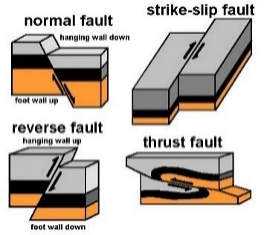
Book B | Interpreted Objects | GeologyElement | Fault |  |  | 6 8 9 10 25 26 27 28 | 1 | Geometric properties / Average orientation / Dip / Case 1 / Quadrant | Quadrant
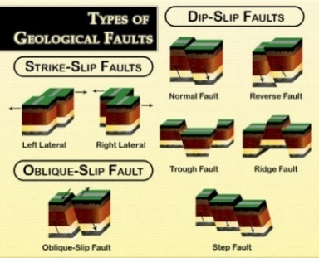
Book B | Interpreted Objects | GeologyElement | Fault |  |  | 6 8 9 10 25 26 27 28 | 1 | Geometric properties / Average orientation / Dip / Case 2 / Dip direction | DipDirection
Book B | Interpreted Objects | GeologyElement | Fault |  |  | 9 26 27 28 | 1 | Geometric properties / Fault / Type of fault (normal _ reverse _ strike-slip) | FaultType |  | Normal fault : A fault with vertical movement and inclined fault plane. The block above the fault has moved down relative to the block below the fault. Reverse fault : A fault with vertical movement and inclined fault plane. The block above the fault has moved upwards relative to the block below the fault. strike-slip fault : A fault with horizontal displacement. | https://geology.com/dictionary/glossary-f.shtml |  | x |  |  | Thrust fault' and 'Oblique fault' are also included in some classifications, so the options need to be considered.
Book B | Interpreted Objects | GeologyElement | Fault |  |  | 9 26 27 28 | 1 | Geometric properties / Fault / Active fault | FaultActivity |  | A fault that has slipped in historic time and which is likely to slip again in the future. | https://geology.com/dictionary/glossary-f.shtml |  | ? |  |  | In case of active fault, the name of the fault is also needed
Book B | Interpreted Objects | GeologyElement | Fault |  |  | 9 26 27 28 | 1 | Geometric properties / Fault / Aperture | FaultAperture |  | Size of the gap between the joint walls measured perpendicularly to the joint plane. | GT1R1A1 |  |  |  |  | bookA
Book B | Interpreted Objects | GeologyElement | Fault |  |  | 9 26 27 28 | 1 | Geometric properties / Fault / Displacement | FaultDisplacement |  | Relative movement of the two blocks of a fault. | https://geology.com/dictionary/glossary-d.shtml |  |  |  |  | bookA
Book B | Interpreted Objects | GeologyElement | Fault |  |  | 9 26 27 28 | 1 | Geometric properties / Fault / Geometry / Length | FaultLength |  |  | Dictionnaire de Géologie - Dunod |  |  |  |  | bookA
Book B | Interpreted Objects | GeologyElement | Fault |  |  | 9 26 27 28 | 1 | Geometric properties / Fault / Geometry / Depth | FaultDepth |  |  | Dictionnaire de Géologie - Dunod |  |  |  |  | bookA
Book B | Interpreted Objects | GeologyElement | Fault |  |  |  | 1 | Geometric properties / Fault / Infilling | FaultInfilling
Book B | Interpreted Objects | GeologyElement | Fault |  |  |  |  | note |  |  |  |  |  |  |  |  | Added: Field in which any attribute can be described
Book B | Interpreted Objects | GeologyElement | Contact |  |  |  |  |  |  |  | OGC GeoSciML.Contact : A contact is a general concept representing any kind of surface separating two geologic units, including primary boundaries such as depositional contacts, all kinds of unconformities, intrusive contacts, and gradational contacts, as well as faults that separate geologic units. | OGC GeoSciML |  |  |  | x
Book B | Interpreted Objects | GeologyElement | Contact |  |  |  | 1 | Geological properties / type of contact | ContactType |  | Surface at the boundary of two geologic units. | Dictionnaire de Géologie - Dunod |  | x
Book B | Interpreted Objects | GeologyElement | Contact |  |  |  | 2 | Geometric properties / Top elevation |  |  | Upper surface of a geological unit | Dictionnaire de Géologie - Dunod
Book B | Interpreted Objects | GeologyElement | Contact |  |  |  | 2 | Geometric properties / Bottom elevation |  |  | Lower surface of a geological unit | Dictionnaire de Géologie - Dunod
Book B | Interpreted Objects | GeologyElement | Contact |  |  |  | 1 | Geometric properties / Average orientation / Dip / Case 1 / Strike | Strike |  | The geographic direction of a line created by the intersection of a plane and the horizontal. | https://geology.com/dictionary/glossary-f.shtml
Book B | Interpreted Objects | GeologyElement | Contact |  |  |  | 1 | Geometric properties / Average orientation / Dip / Case 1 / Quadrant | Quadrant
Book B | Interpreted Objects | GeologyElement | Contact |  |  |  | 1 | Geometric properties / Average orientation / Dip / Case 2 / Dip direction | DipDirection
Book B | Interpreted Objects | GeologyElement | Fold |  |  |  |  |  |  |  | OGC GeoSciML.Fold : A fold is formed by one or more systematically curved layers, surfaces, or lines in a rock body. A fold denotes a structure formed by the deformation of a geologic structure, such as a contact which the original undeformed geometry is presumed, to form a structure that may be described by the translation of an abstract line (the fold axis) parallel to itself along some curvilinear path (the fold profile). Folds have a hinge zone (zone of maximum curvature along the surface) and limbs (parts of the deformed surface not in the hinge zone). Folds are described by an axial surface, hinge line, profile geometry, the solid angle between the limbs, and the relationships between adjacent folded surfaces if the folded structure is a Layering fabric. Fold(ASTM, ISRM): a bend in the strata or other planar structure within the rock mass. | OGC GeoSciML ASTM D653-21 |  |  |  | x
Book B | Interpreted Objects | GeologyElement | Fold
Book B | Interpreted Objects | GeologyElement | Fold |  |  |  | 1 | Geometric properties / Average orientation / Fold Axis / Case 1 / Strike | Strike
Book B | Interpreted Objects | GeologyElement | Fold |  |  |  | 1 | Geometric properties / Average orientation / Fold Axis / Case 1 / Quadrant | Quadrant
Book B | Interpreted Objects | GeologyElement | Fold |  |  |  | 1 | Geometric properties / Average orientation / Fold Axis / Case 2 / Dip direction | DipDirection
Book B | Interpreted Objects | GeologyElement | Fold
Book B | Interpreted Objects | HydrogeologyElement | HydrogeoUnit
Book B | Interpreted Objects | HydrogeologyElement | HydrogeoUnit |  |  |  |  |  |  |  | OGC GroundWaterML2.HydroGeoUnit : Any soil or rock unit or zone that by virtue of its hydraulic properties has a distinct influence on the storage or movement of groundwater (after ANS, 1980). | OGC GroundWaterML2 |  |  |  | x
Book B | Interpreted Objects | HydrogeologyElement | HydrogeoUnit |  |  |  |  | Geometric properties / Top elevation |  |  | Upper surface of a geological unit | Dictionnaire de Géologie - Dunod
Book B | Interpreted Objects | HydrogeologyElement | HydrogeoUnit |  |  |  |  | Geometric properties / Bottom elevation |  |  | Lower surface of a geological unit | Dictionnaire de Géologie - Dunod
Book B | Interpreted Objects | HydrogeologyElement | HydrogeoUnit |  |  |  | 1 | Geometric properties / Average thickness | HydrogeoUnitThickness |  | Average thickness of a geologic unit measured perpendicularly to the bedding planes. | Dictionnaire de Géologie - Dunod
Book B | Interpreted Objects | HydrogeologyElement | HydrogeoUnit |  |  |  | 1 | Aquifer properties / Permeability / Horizontal | PermeabilityHoz |  |  |  |  | ? |  |  | PermialibityBehavior' is already existed in Pset_SolidStratumCapacity of the current IFC-geothch. Extention is needed?
Book B | Interpreted Objects | HydrogeologyElement | HydrogeoUnit |  |  |  | 1 | Aquifer properties / Permeability / Vertical | Permeabilityvert |  |  |  |  | ?
Book B | Interpreted Objects | HydrogeologyElement | HydrogeoUnit |  |  |  | 2 | Aquifer properties / Intrinsic permeability / Direction |  |  |  |  |  | ?
Book B | Interpreted Objects | HydrogeologyElement | HydrogeoUnit |  |  |  | 2 | Aquifer properties / Intrinsic permeability / Value |  |  |  |  |  | ?
Book B | Interpreted Objects | HydrogeologyElement | HydrogeoUnit |  |  |  | 1 | Aquifer properties / Hydrodynamic characteristics / Transmissivity | Transmissivity |  | Parameter governing the flow of water flowing per unit width of the saturated zone of a continuous aquifer (measured in a direction orthogonal to that of flow), and per unit of hydraulic gradient | Dictionnaire français d'hydrogéologie |  |  |  |  | BookA
Book B | Interpreted Objects | HydrogeologyElement | HydrogeoUnit |  |  |  | 1 | Aquifer properties / Hydrodynamic characteristics / Storage coefficient | Storage coefficient |  | Ratio of the volume of water released or stored per unit area of an aquifer, to the corresponding charge in hydraulic head, without reference to time | Dictionnaire français d'hydrogéologie - Edition du BRGM |  |  |  |  | BookA
Book B | Interpreted Objects | HydrogeologyElement | HydrogeoUnit |  |  |  | 1 | Aquifer properties / Hydrodynamic characteristics / Specific storage | Specific storage |  | Volume of water released or stored per unit area of an aquifer, to the corresponding charge in hydraulic head, without reference to time | Dictionnaire français d'hydrogéologie - Edition du BRGM |  |  |  |  | BookA
Book B | Interpreted Objects | HydrogeologyElement | HydrogeoUnit |  |  |  | 1 | Aquifer properties / Hydrodynamic characteristics / Porosity / Effective | EffectivePorosity |  | Ratio of the volume of gravitational water that a medium porous may contain in a state of saturation then release under the effect of complete drainage (laboratory drainage on a sample), to its total volume | Dictionnaire français d'hydrogéologie - Edition du BRGM |  |  |  |  | BookA
Book B | Interpreted Objects | HydrogeologyElement | HydrogeoUnit |  |  |  | 3 | Aquifer properties / Hydrodynamic characteristics / Porosity / Accessible / Anions |  |  |  |  |  |  |  |  | BookA
Book B | Interpreted Objects | HydrogeologyElement | HydrogeoUnit |  |  |  | 3 | Aquifer properties / Hydrodynamic characteristics / Porosity / Accessible / Cations |  |  |  |  |  |  |  |  | BookA
Book B | Interpreted Objects | HydrogeologyElement | HydrogeoUnit |  |  |  | 3 | Aquifer properties / Piezometer / Piezometric level / Atmospheric pressure |  |  |  |  |  |  |  |  | BookA
Book B | Interpreted Objects | HydrogeologyElement | HydrogeoUnit |  |  |  | 3 | Aquifer properties / Piezometer / Piezometric level / Atmospheric pressure reference (air) |  |  |  |  |  |  |  |  | BookA
Book B | Interpreted Objects | HydrogeologyElement | HydrogeoUnit |  |  |  | 3 | Interpreted parameters (soil) / hydraulic properties / Water permeability curve |  |  |  |  |  |  |  |  | BookA
Book B | Interpreted Objects | HydrogeologyElement | HydrogeoUnit |  |  |  | 3 | Interpreted parameters (soil) / hydraulic properties / Gas permeability curve |  |  |  |  |  |  |  |  | BookA
Book B | Interpreted Objects | HydrogeologyElement | HydrogeoUnit |  |  |  | 3 | Interpreted parameters (soil) / hydraulic properties / Capillary pressure curve |  |  |  |  |  |  |  |  | BookA
Book B | Interpreted Objects | HydrogeologyElement | HydrogeoUnit |  |  |  | 3 | Interpreted parameters (soil) / hydraulic properties / Effective diffusion coefficient / In a liquid |  |  |  |  |  |  |  |  | BookA
Book B | Interpreted Objects | HydrogeologyElement | HydrogeoUnit |  |  |  | 3 | Interpreted parameters (soil) / hydraulic properties / Effective diffusion coefficient / In a gas |  |  |  |  |  |  |  |  | BookA
Book B | Interpreted Objects | HydrogeologyElement | HydrogeoUnit |  |  |  | 3 | Interpreted parameters (soil) / hydraulic properties / Effective diffusion coefficient / Tortuousness |  |  |  |  |  |  |  |  | BookA
Book B | Interpreted Objects | HydrogeologyElement | HydrogeoUnit |  |  |  | 2 | Interpreted parameters (soil) / hydraulic properties / Flow velocity |  |  | Fictitious macroscopic speed of a water flow in uniform movement through a saturated aquifer medium (speed vector of Darcy's law) deduced from the flow rate referred to the total section of the aquifer crossed by the flow | Dictionnaire français d'hydrogéologie - Edition du BRGM |  |  |  |  | BookA
Book B | Interpreted Objects | HydrogeologyElement | HydrogeoUnit |  |  |  | 3 | Interpreted parameters (soil) / hydraulic properties / Capillary rise height / ref |  |  |  |  |  |  |  |  | BookA
Book B | Interpreted Objects | HydrogeologyElement | HydrogeoUnit |  |  |  | 3 | Interpreted parameters (soil) / hydraulic properties / Capillary rise height / min |  |  |  |  |  |  |  |  | BookA
Book B | Interpreted Objects | HydrogeologyElement | HydrogeoUnit |  |  |  | 3 | Interpreted parameters (soil) / hydraulic properties / Capillary rise height / max |  |  |  |  |  |  |  |  | BookA
Book B | Interpreted Objects | HydrogeologyElement | HydrogeoUnit |  |  |  | 2 | Interpreted parameters (soil) / hydraulic properties / Initial water saturation |  |  |  |  |  |  |  |  | BookA
Book B | Interpreted Objects | HydrogeologyElement | HydrogeoUnit
Book B | Interpreted Objects | HydrogeologyElement | FluidBody |  |  |  |  |  |  |  | OGC GroundWaterML2.FluidBody : A distinct body of some fluid (liquid, gas) that fills the voids of a container such as an aquifer, system of aquifers, water well, etc. In hydrogeology this body is usually constituted by groundwater, but the model allows for other types of fillers e.g. petroleum. | OGC GroundWaterML2 |  |  |  | x
Book B | Interpreted Objects | HydrogeologyElement | FluidBody |  |  |  | 2 | Excavated soil and polluted sites / ESO Sampling / in situ measurements / Probe calibration |  |  |  |  |  |  |  |  | BookA
Book B | Interpreted Objects | HydrogeologyElement | FluidBody |  |  |  | 1 | Excavated soil and polluted sites / ESO Sampling / in situ measurements / PH | PH |  |  |  |  |  |  |  | BookA
Book B | Interpreted Objects | HydrogeologyElement | FluidBody |  |  |  | 2 | Excavated soil and polluted sites / ESO Sampling / in situ measurements / electric resistivity |  |  |  |  |  |  |  |  | BookA
Book B | Interpreted Objects | HydrogeologyElement | FluidBody |  |  |  | 2 | Excavated soil and polluted sites / ESO Sampling / in situ measurements / thermal conductivity |  |  |  |  |  |  |  |  | BookA
Book B | Interpreted Objects | HydrogeologyElement | FluidBody |  |  |  | 1 | Excavated soil and polluted sites / ESO Sampling / in situ measurements / temperature | Temperature |  |  |  |  |  |  |  | BookA
Book B | Interpreted Objects | HydrogeologyElement | FluidBody |  |  |  | 2 | Excavated soil and polluted sites / ESO Sampling / in situ measurements / dissolved oxygen |  |  |  |  |  |  |  |  | BookA
Book B | Interpreted Objects | HydrogeologyElement | FluidBody |  |  |  | 2 | Excavated soil and polluted sites / ESO Sampling / in situ measurements / Redox potential |  |  |  |  |  |  |  |  | BookA
Book B | Interpreted Objects | HydrogeologyElement | FluidBody |  |  |  | 2 | Excavated soil and polluted sites / ESO Sampling / in situ measurements / organoleptic index |  |  |  |  |  |  |  |  | BookA
Book B | Interpreted Objects | HydrogeologyElement | FluidBody |  |  |  | 2 | Excavated soil and polluted sites / ESO Sampling / in situ measurements / turbidity |  |  |  |  |  |  |  |  | BookA
Book B | Interpreted Objects | HydrogeologyElement | FluidBody |  |  |  | 2 | Excavated soil and polluted sites / ESO Sampling / in situ measurements / alkalinity |  |  |  |  |  |  |  |  | BookA
Book B | Interpreted Objects | HydrogeologyElement | FluidBody |  |  |  | 2 | Excavated soil and polluted sites / ESO Sampling / in situ measurements / color |  |  |  |  |  |  |  |  | BookA
Book B | Interpreted Objects | HydrogeologyElement | FluidBody |  |  |  | 2 | Excavated soil and polluted sites / ESO Sampling / in situ measurements / odour |  |  |  |  |  |  |  |  | BookA
Book B | Interpreted Objects | HydrogeologyElement | FluidBody |  |  |  |  | Excavated soil and polluted sites / collection of surface water / In Situ Physicochemical parameters / Probe calibration |  |  |  |  |  |  |  |  | BookA
Book B | Interpreted Objects | HydrogeologyElement | FluidBody |  |  |  |  | Excavated soil and polluted sites / collection of surface water / In Situ Physicochemical parameters / pH |  |  |  |  |  | ? |  |  | Hydraulic Conductivity' already exists in IFC-geotch. However it is for geotechnical model, not for fluid body.
Book B | Interpreted Objects | HydrogeologyElement | FluidBody |  |  |  |  | Excavated soil and polluted sites / collection of surface water / In Situ Physicochemical parameters / Conductivity |  |  |  |  |  |  |  |  | BookA
Book B | Interpreted Objects | HydrogeologyElement | FluidBody |  |  |  |  | Excavated soil and polluted sites / collection of surface water / In Situ Physicochemical parameters / Temperature |  |  |  |  |  |  |  |  | BookA
Book B | Interpreted Objects | HydrogeologyElement | FluidBody |  |  |  |  | Excavated soil and polluted sites / collection of surface water / In Situ Physicochemical parameters / Dissolved oxygen |  |  |  |  |  |  |  |  | BookA
Book B | Interpreted Objects | HydrogeologyElement | FluidBody |  |  |  |  | Excavated soil and polluted sites / collection of surface water / In Situ Physicochemical parameters / Turbidity (MES) |  |  |  |  |  |  |  |  | BookA
Book B | Interpreted Objects | HydrogeologyElement | FluidBody |  |  |  |  | Excavated soil and polluted sites / collection of surface water / In Situ Physicochemical parameters / Organic matter content |  |  |  |  |  |  |  |  | BookA
Book B | Interpreted Objects | HydrogeologyElement | FluidBody |  |  |  |  | Excavated soil and polluted sites / collection of surface water / Sample description / Color |  |  |  |  |  |  |  |  | BookA
Book B | Interpreted Objects | HydrogeologyElement | FluidBody |  |  |  |  | Excavated soil and polluted sites / collection of surface water / Sample description / Clarity |  |  |  |  |  |  |  |  | BookA
Book B | Interpreted Objects | HydrogeologyElement | FluidBody |  |  |  |  | Excavated soil and polluted sites / collection of surface water / Sample description / Odour |  |  |  |  |  |  |  |  | BookA
Book B | Interpreted Objects | HydrogeologyElement | FluidBody |  |  |  |  | Excavated soil and polluted sites / collection of surface water / Sample description / Floating |  |  |  |  |  |  |  |  | BookA
Book B | Interpreted Objects | HydrogeologyElement | FluidBody |  |  |  |  | Excavated soil and polluted sites / collection of surface water / Sample description / Diving |  |  |  |  |  |  |  |  | BookA
Book B | Interpreted Objects | HydrogeologyElement | FluidBody |  |  |  |  | Excavated soil and polluted sites / Sediment sampling / In Situ Physicochemical parameters / Probe calibration |  |  |  |  |  |  |  |  | BookA
Book B | Interpreted Objects | HydrogeologyElement | FluidBody |  |  |  |  | Excavated soil and polluted sites / Sediment sampling / In Situ Physicochemical parameters / pH |  |  |  |  |  |  |  |  | BookA
Book B | Interpreted Objects | HydrogeologyElement | FluidBody |  |  |  |  | Excavated soil and polluted sites / Sediment sampling / In Situ Physicochemical parameters / Conductivity |  |  |  |  |  |  |  |  | BookA
Book B | Interpreted Objects | HydrogeologyElement | FluidBody |  |  |  |  | Excavated soil and polluted sites / Sediment sampling / In Situ Physicochemical parameters / Temperature |  |  |  |  |  |  |  |  | BookA
Book B | Interpreted Objects | HydrogeologyElement | FluidBody |  |  |  |  | Excavated soil and polluted sites / Sediment sampling / In Situ Physicochemical parameters / Dissolved oxygen |  |  |  |  |  |  |  |  | BookA
Book B | Interpreted Objects | HydrogeologyElement | FluidBody |  |  |  |  | Excavated soil and polluted sites / Sediment sampling / In Situ Physicochemical parameters / Turbidity (MES) |  |  |  |  |  |  |  |  | BookA
Book B | Interpreted Objects | HydrogeologyElement | FluidBody |  |  |  |  | Excavated soil and polluted sites / Sediment sampling / In Situ Physicochemical parameters / Organic matter content |  |  |  |  |  |  |  |  | BookA
Book B | Interpreted Objects | HydrogeologyElement | FluidBody |  |  |  |  | Excavated soil and polluted sites / Sediment sampling / Sample description / Water color |  |  |  |  |  |  |  |  | BookA
Book B | Interpreted Objects | HydrogeologyElement | FluidBody |  |  |  |  | Excavated soil and polluted sites / Sediment sampling / Sample description / Sediment color |  |  |  |  |  |  |  |  | BookA
Book B | Interpreted Objects | HydrogeologyElement | FluidBody |  |  |  |  | Excavated soil and polluted sites / Sediment sampling / Sample description / Clarity |  |  |  |  |  |  |  |  | BookA
Book B | Interpreted Objects | HydrogeologyElement | FluidBody |  |  |  |  | Excavated soil and polluted sites / Sediment sampling / Sample description / Odour |  |  |  |  |  |  |  |  | BookA
Book B | Interpreted Objects | HydrogeologyElement | FluidBody |  |  |  |  | Excavated soil and polluted sites / Sediment sampling / Sample description / Floating |  |  |  |  |  |  |  |  | BookA
Book B | Interpreted Objects | HydrogeologyElement | FluidBody |  |  |  |  | Excavated soil and polluted sites / Sediment sampling / Sample description / Diving |  |  |  |  |  |  |  |  | BookA
Book B | Interpreted Objects | HydrogeologyElement | FluidBody |  |  |  |  | Excavated soil and polluted sites / Soil gas sampling / Pressure difference |  |  |  |  |  |  |  |  | BookA
Book B | Interpreted Objects | HydrogeologyElement | FluidBody |  |  |  |  | Excavated soil and polluted sites / Soil gas sampling / Soil gas temperature |  |  |  |  |  |  |  |  | BookA
Book B | Interpreted Objects | HydrogeologyElement | FluidBody |  |  |  |  | Excavated soil and polluted sites / Soil gas sampling / Soil gas moisture |  |  |  |  |  |  |  |  | BookA
Book B | Interpreted Objects | HydrogeologyElement | FluidBody |  |  |  |  | Excavated soil and polluted sites / Soil gas sampling / Soil gas concentration / O2 (in ppm) |  |  |  |  |  |  |  |  | BookA
Book B | Interpreted Objects | HydrogeologyElement | FluidBody |  |  |  |  | Excavated soil and polluted sites / Soil gas sampling / Soil gas concentration / CO2 (in ppm) |  |  |  |  |  |  |  |  | BookA
Book B | Interpreted Objects | HydrogeologyElement | FluidBody |  |  |  |  | Excavated soil and polluted sites / Soil gas sampling / Soil gas concentration / H2S (in ppm) |  |  |  |  |  |  |  |  | BookA
Book B | Interpreted Objects | HydrogeologyElement | FluidBody |  |  |  |  | Excavated soil and polluted sites / Soil gas sampling / Soil gas concentration / CH4 (in ppm) |  |  |  |  |  |  |  |  | BookA
Book B | Interpreted Objects | HydrogeologyElement | FluidBody |  |  |  |  | Excavated soil and polluted sites / Soil gas sampling / Soil gas concentration / CO (in ppm) |  |  |  |  |  |  |  |  | BookA
Book B | Interpreted Objects | HydrogeologyElement | FluidBody |  |  |  |  | Excavated soil and polluted sites / Soil gas sampling / Soil gas concentration / SO4 (in ppm) |  |  |  |  |  |  |  |  | BookA
Book B | Interpreted Objects | HydrogeologyElement | FluidBody |  |  |  |  | Excavated soil and polluted sites / Soil gas sampling / Soil gas concentration / Cl (in ppm) |  |  |  |  |  |  |  |  | BookA
Book B | Interpreted Objects | HydrogeologyElement | FluidBody |  |  |  |  | Excavated soil and polluted sites / Soil gas sampling / Flow control / Duration |  |  |  |  |  |  |  |  | BookA
Book B | Interpreted Objects | HydrogeologyElement | FluidBody |  |  |  |  | Excavated soil and polluted sites / Soil gas sampling / Flow control / Flow (in l _ min) |  |  |  |  |  |  |  |  | BookA
Book B | Interpreted Objects | HydrogeologyElement | FluidBody |  |  |  |  | Excavated soil and polluted sites / Soil gas sampling / Flow control / Sample volume |  |  | Property of the solid parts of a porous medium, of a soil, of a rock, or of water to be able to decrease in volume under the effect of the increase of the pressure exerted on them | Dictionnaire français d'hydrogéologie - Edition du BRGM |  |  |  |  | BookA
Book B | Interpreted Objects | HydrogeologyElement | FluidBody |  |  |  | 2 | Interpreted parameters (soil) / Fluid / Mechanical property / Compressibility |  |  |  |  |  |  |  |  | BookA
Book B | Interpreted Objects | HydrogeologyElement | FluidBody |  |  |  | 2 | Interpreted parameters (soil) / Fluid / Mechanical property / Viscosity |  |  |  |  |  |  |  |  | BookA
Book B | Interpreted Objects | HydrogeologyElement | FluidBody |  |  |  | 2 | Interpreted parameters (soil) / Fluid / Physical properties / Weight properties / Volumic mass |  |  | Component of the dispersion tensor D, symmetrical, second-order, in the dispersion equation, which depends on the properties of the porous matrix and the speed of movement of the fluid | Dictionnaire français d'hydrogéologie - Edition du BRGM |  |  |  |  | BookA
Book B | Interpreted Objects | HydrogeologyElement | FluidBody |  |  |  | 2 | Interpreted parameters (soil) / Fluid / Physical properties / Fluid diffusion coefficient |  |  |  |  |  |  |  |  | BookA
Book B | Interpreted Objects | HydrogeologyElement | FluidBody |  |  |  | 2 | Interpreted parameters (soil) / hydraulic properties / Dynamic viscosity of the fluid |  |  |  |  |  |  |  |  | BookA
Book B | Interpreted Objects | HydrogeologyElement | FluidBody |  |  |  | 2 | Interpreted parameters (soil) / hydraulic properties / Fluid density
Book B | Interpreted Objects | HydrogeologyElement | FluidBody
Book B | Interpreted Objects | HydrogeologyElement | PiezometricWaterLevel |  |  |  |  |  |  |  | OGC GroundWaterML2.FluidBodySurface : A surface on a fluid body within a local or regional area, e.g. piezometric, potentiometric, water table, salt wedge, etc. | OGC GroundWaterML2 |  |  |  | x
Book B | Interpreted Objects | HydrogeologyElement | PiezometricWaterLevel |  |  |  | 2 | Geometric properties / Top elevation |  |  | Upper surface of a geological unit | Dictionnaire de Géologie - Dunod
Book B | Interpreted Objects | HydrogeologyElement | PiezometricWaterLevel |  |  |  | 2 | Geometric properties / Bottom elevation |  |  | Lower surface of a geological unit | Dictionnaire de Géologie - Dunod
Book B | Interpreted Objects | HydrogeologyElement | PiezometricWaterLevel |  |  |  |  | Geometric properties / Average thickness |  |  | Average thickness of a geologic unit measured perpendicularly to the bedding planes. | Dictionnaire de Géologie - Dunod
Book B | Interpreted Objects | HydrogeologyElement | PiezometricWaterLevel |  |  |  | 1 | Aquifer properties / Piezometer / Piezometric level / Elevation | Elevation |  | Its elevation is defined by its height, either at the level of the lower opening of the piezometric tube or at a reference level | Dictionnaire français d'hydrogéologie - Edition du BRGM |  | ? |  |  | PiezometricHead' is already existed in current Pset＿GeotechnicalStratumCommon of IFC-geotech.
Book B | Interpreted Objects | HydrogeologyElement | PiezometricWaterLevel |  |  |  | 1 | Aquifer properties / Piezometer / Piezometric level / Depth | Depth
Book B | Interpreted Objects | HydrogeologyElement | PiezometricWaterLevel |  |  |  | 2 | Aquifer properties / Piezometer / Piezometric level / Atmospheric pressure |  |  |  |  |  | ? |  |  | PiezometricPressure' is already existed in current Pset＿GeotechnicalStratumCommon of IFC-geotech.
Book B | Interpreted Objects | HydrogeologyElement | PiezometricWaterLevel |  |  |  | 2 | Aquifer properties / Piezometer / Piezometric level / Atmospheric pressure reference (air)
Book B | Interpreted Objects | HydrogeologyElement | PiezometricWaterLevel |  |  |  | 1 | Aquifer properties / Groundwater level / project values / Characteristic high water level (return period 50 years) EH | DesingHighWaterLevel
Book B | Interpreted Objects | HydrogeologyElement | PiezometricWaterLevel |  |  |  | 1 | Aquifer properties / Groundwater level / project values / Characteristic low water level (return period 50 years) EB | DesingLowWaterLevel
Book B | Interpreted Objects | HydrogeologyElement | PiezometricWaterLevel |  |  |  | 1 | Aquifer properties / Groundwater level / project values / Frequent high water level (1% probability of exedance over 50 years) EF | FrequentHighWaterLevel
Book B | Interpreted Objects | HydrogeologyElement | PiezometricWaterLevel |  |  |  | 1 | Aquifer properties / Groundwater level / project values / Characteristic highest water level (return period 100 years) EE | DesingHighestWaterLevel
Book B | Interpreted Objects | HydrogeologyElement | PiezometricWaterLevel
Book B | Interpreted Objects | HydrogeologyElement | PiezometricWaterLevel
Book B | Interpreted Objects | GeotechnicalElement | GeotechnicalUnit |  |  |  |  |  |  |  |  | Link to Geological Unit | GeotechnicalUnit as defined in Book B vs GeotechnicalUnit for design (Book C) ※ISO14689:2017 requires following information — name(s) of person(s) describing the rock; — date and location of description; — details of origin of collection and handling of samples (see ISO 22475-1). — identification, description and classification of each layer of rock; — key of symbols and terms used. |  | A surface or a volume in which the mechanical behaviour and other design-relevant characteristics are characterized using the same geotechnical parameters values. Several alternative classifications (=GeotechModels) can be required in a project for different design tasks (in close connection/according to design requirements from Book C) | x
Book B | Interpreted Objects | GeotechnicalElement | GeotechnicalUnit | GeotechUnit Continuum (soil like material) | X |  |  |  |  |  |  | EN14688 | GeotechUnit Continuum (soil like material) is suitable for soil like material, as defined by Eurocode 7, ie. aggregate or minerals and/or organic materials which can be disaggregated by hand in water. |  | Eurocode 7: aggregate or minerals and/or organic materials which can be disaggregated by hand in water Soil : in geology, sediments, or other unconsolidated accumulations of solid particles produced by the physical and chemical diintegration of rocks, and which may or may not contain organic matter.(ASTM_D653-21)
Book B | Interpreted Objects | GeotechnicalElement | GeotechnicalUnit | GeotechUnit Continuum (soil like material)
Book B | Interpreted Objects | GeotechnicalElement | GeotechnicalUnit | GeotechUnit Continuum (soil like material) | pset material model |  | 1 |  | MaterialModelName | Text |  |  |  |  |  |  | Although this property is included in geologicalUnit, the geological model may be not necessarily exchanged accompanied with the Geotechnical model. So, same properties are needed in the Geotechnical model.
Book B | Interpreted Objects | GeotechnicalElement | GeotechnicalUnit | GeotechUnit Continuum (soil like material) | pset material model |  | 1 |  | ReferenceDocument | Text
Book B | Interpreted Objects | GeotechnicalElement | GeotechnicalUnit | GeotechUnit Continuum (soil like material) | pset soil like material |  | 1 | Geological properties / Lithology | Lithology | Text | Rock description, including their mineral composition and texture. | https://geology.com/dictionary/glossary-l.shtml | Options: Text description, regional classification, project specific ,… | x |  |  | Although this property is included in geologicalUnit, the geological model may be not necessarily exchanged accompanied with the Geotechnical model. So, same properties are needed in the Geotechnical model.
Book B | Interpreted Objects | GeotechnicalElement | GeotechnicalUnit | GeotechUnit Continuum (soil like material) | pset soil like material |  | 1 | geological formation | GeolFormation | Text |  |  |  | x |  |  | Added:as same reason as above.
Book B | Interpreted Objects | GeotechnicalElement | GeotechnicalUnit | GeotechUnit Continuum (soil like material) |  |  | 3 | Geological properties / Age _ Period |  |  |  |  |  | x |  |  | Added:as same reason as above.
Book B | Interpreted Objects | GeotechnicalElement | GeotechnicalUnit | GeotechUnit Continuum (soil like material) |  | HydrogeoProperties | 2 | Aquifer properties / Permeability / Horizontal | PermeabilityHoz |  |  |  |  | ? |  |  | PermialibityBehavior' is already existed in Pset_SolidStratumCapacity of the current IFC-geothch. Extention is needed?
Book B | Interpreted Objects | GeotechnicalElement | GeotechnicalUnit | GeotechUnit Continuum (soil like material) |  | HydrogeoProperties | 2 | Aquifer properties / Permeability / Vertical | PermeabilityVer |  |  |  |  | ?
Book B | Interpreted Objects | GeotechnicalElement | GeotechnicalUnit | GeotechUnit Continuum (soil like material) |  | HydrogeoProperties | 3 | Aquifer properties / Intrinsic permeability / Direction | IntrinsicPermeabilityDirection |  |  |  |  | ?
Book B | Interpreted Objects | GeotechnicalElement | GeotechnicalUnit | GeotechUnit Continuum (soil like material) |  | HydrogeoProperties | 3 | Aquifer properties / Intrinsic permeability / Value | IntrinsicPermeabilityValue |  |  |  |  | ?
Book B | Interpreted Objects | GeotechnicalElement | GeotechnicalUnit | GeotechUnit Continuum (soil like material) |  | HydrogeoProperties | 2 | Aquifer properties / Hydrodynamic characteristics / Transmissivity | Transmissivity |  | Parameter governing the flow of water flowing per unit width of the saturated zone of a continuous aquifer (measured in a direction orthogonal to that of flow), and per unit of hydraulic gradient | Dictionnaire français d'hydrogéologie
Book B | Interpreted Objects | GeotechnicalElement | GeotechnicalUnit | GeotechUnit Continuum (soil like material) |  | HydrogeoProperties | 2 | Aquifer properties / Hydrodynamic characteristics / Storage coefficient | StorageCoefficient |  | Ratio of the volume of water released or stored per unit area of an aquifer, to the corresponding charge in hydraulic head, without reference to time | Dictionnaire français d'hydrogéologie - Edition du BRGM
Book B | Interpreted Objects | GeotechnicalElement | GeotechnicalUnit | GeotechUnit Continuum (soil like material) |  | HydrogeoProperties | 2 | Aquifer properties / Hydrodynamic characteristics / Specific storage | SpecificCoefficient |  | Volume of water released or stored per unit area of an aquifer, to the corresponding charge in hydraulic head, without reference to time | Dictionnaire français d'hydrogéologie - Edition du BRGM
Book B | Interpreted Objects | GeotechnicalElement | GeotechnicalUnit | GeotechUnit Continuum (soil like material) |  | HydrogeoProperties | 3 | Aquifer properties / Hydrodynamic characteristics / Porosity / Effective | EffectivePorosity |  | Ratio of the volume of gravitational water that a medium porous may contain in a state of saturation then release under the effect of complete drainage (laboratory drainage on a sample), to its total volume | Dictionnaire français d'hydrogéologie - Edition du BRGM
Book B | Interpreted Objects | GeotechnicalElement | GeotechnicalUnit | GeotechUnit Continuum (soil like material) |  | HydrogeoProperties | 3 | Excavated soil and polluted sites / ESO Sampling / in situ measurements / PH | PHvalue
Book B | Interpreted Objects | GeotechnicalElement | GeotechnicalUnit | GeotechUnit Continuum (soil like material) |  | HydrogeoProperties | 3 |  | SulphateConcentration
Book B | Interpreted Objects | GeotechnicalElement | GeotechnicalUnit | GeotechUnit Continuum (soil like material) |  | HydrogeoProperties | 3 |  | ChloriteConcentration
Book B | Interpreted Objects | GeotechnicalElement | GeotechnicalUnit | GeotechUnit Continuum (soil like material) |  | HydrogeoProperties | 3 | Excavated soil and polluted sites / ESO Sampling / in situ measurements / temperature | GroundwaterTemperature
Book B | Interpreted Objects | GeotechnicalElement | GeotechnicalUnit | GeotechUnit Continuum (soil like material) |  | HydrogeoProperties | 3 | Excavated soil and polluted sites / ESO Sampling / in situ measurements / dissolved oxygen | ?
Book B | Interpreted Objects | GeotechnicalElement | GeotechnicalUnit | GeotechUnit Continuum (soil like material) |  | HydrogeoProperties | 3 | Excavated soil and polluted sites / ESO Sampling / in situ measurements / Redox potential | ?
Book B | Interpreted Objects | GeotechnicalElement | GeotechnicalUnit | GeotechUnit Continuum (soil like material) |  | HydrogeoProperties | 3 | Excavated soil and polluted sites / ESO Sampling / in situ measurements / organoleptic index | ?
Book B | Interpreted Objects | GeotechnicalElement | GeotechnicalUnit | GeotechUnit Continuum (soil like material) | pset soil like material | SeismicProperties | 1 | Measured in situ / Seismic _ Dynamic properties / propagation velocities / P-wave velocity (Wave velocity) | P-wave velocity | Value |  |  | Required in interpreted models? Yes! | ? |  |  | In the IFC-geotech, PwaveVelocity and SwaveVelosity have already defined in Pset_SolidstratumCapacity
Book B | Interpreted Objects | GeotechnicalElement | GeotechnicalUnit | GeotechUnit Continuum (soil like material) |  | SeismicProperties | 2 | Measured in situ / Seismic _ Dynamic properties / propagation velocities / azimuth |  |  |  |  |  | ?
Book B | Interpreted Objects | GeotechnicalElement | GeotechnicalUnit | GeotechUnit Continuum (soil like material) |  | SeismicProperties | 2 | Measured in situ / Seismic _ Dynamic properties / propagation velocities / direction |  |  |  |  |  | ?
Book B | Interpreted Objects | GeotechnicalElement | GeotechnicalUnit | GeotechUnit Continuum (soil like material) |  | SeismicProperties | 2 | Measured in situ / Seismic _ Dynamic properties / propagation velocities / range |  |  |  |  |  | ?
Book B | Interpreted Objects | GeotechnicalElement | GeotechnicalUnit | GeotechUnit Continuum (soil like material) |  | SeismicProperties | 2 | Measured in situ / Seismic _ Dynamic properties / Damping factor |  |  |  | https://fr.wikipedia.org/wiki/Taux_d%27amortissement_(physique) |  | ?
Book B | Interpreted Objects | GeotechnicalElement | GeotechnicalUnit | GeotechUnit Continuum (soil like material) |  | 2 24 25 27 28 | 3 | Measured in situ / Thermal properties / Temperature | SoilTemperature
Book B | Interpreted Objects | GeotechnicalElement | GeotechnicalUnit | GeotechUnit Continuum (soil like material) |  | 2 8 24 25 27 28 | 3 | Measured in situ / Thermal properties / Thermal conductivity | ThermalConductivity |  |  | https://fr.wikipedia.org/wiki/Conductivit%C3%A9_thermique
Book B | Interpreted Objects | GeotechnicalElement | GeotechnicalUnit | GeotechUnit Continuum (soil like material) |  | 2 8 24 25 27 28 | 3 | Measured in situ / Thermal properties / Thermal gradient | ThermalGradient |  |  | https://fr.wikipedia.org/wiki/Gradient_g%C3%A9othermique
Book B | Interpreted Objects | GeotechnicalElement | GeotechnicalUnit | GeotechUnit Continuum (soil like material) | pset soil like material | 2 24 25 27 28 | 1 | Measured in the lab / Identification properties / Density / Wet Bulk density | WetBulkDensity | Value | Ratio of the total mass to the unit total volume | https://en.wikipedia.org/wiki/Bulk_density | Important is the property independent of methodology e.g. Lab or in-situ test.
Book B | Interpreted Objects | GeotechnicalElement | GeotechnicalUnit | GeotechUnit Continuum (soil like material) |  | 2 8 24 25 27 28 | 2 | Measured in the lab / Identification properties / Density / Saturated density | SaturatedDensity |  | Bulk density of the soil when the soil is saturated | https://en.wikipedia.org/wiki/Bulk_density | Important is the property independent of methodology e.g. Lab or in-situ test.
Book B | Interpreted Objects | GeotechnicalElement | GeotechnicalUnit | GeotechUnit Continuum (soil like material) | pset soil like material | 2 24 25 27 28 | 1 | Measured in the lab / Identification properties / Density / Dry bulk density | DryBulkDensity | Value | Ratio of the mass of solid to the unit total volume | https://en.wikipedia.org/wiki/Bulk_density | Important is the property independent of methodology e.g. Lab or in-situ test.
Book B | Interpreted Objects | GeotechnicalElement | GeotechnicalUnit | GeotechUnit Continuum (soil like material) |  | 2 24 25 27 28 | 2 | Measured in the lab / Identification properties / Density / Particles density | ParticleDensity |  | Ratio of the mass of solid to the volume of solid | ASTM D854 | Important is the property independent of methodology e.g. Lab or in-situ test.
Book B | Interpreted Objects | GeotechnicalElement | GeotechnicalUnit | GeotechUnit Continuum (soil like material) | pset soil like material | 2 24 27 28 | 1 | Measured in the lab / Identification properties / Moisture content | MoistureContent | Value | Ratio of the mass of water to the mass of solid https://www.geoengineer.org/education/laboratory-testing/water-content-w | Revue Française de Géotechnique Presse de l'école nationale des Ponts et chaussées - Etude géotechnique et reconnaissance des sols | Important is the property independent of methodology e.g. Lab or in-situ test.
...
 |  |  |  |  |  |  |  |  |  |  |  |  |  | x
 |  |  |  |  |  |  |  |  |  |  |  |  |  | x
 |  |  |  |  |  |  |  |  |  |  |  |  |  | x
 |  |  |  |  |  |  |  |  |  |  |  |  |  | x
 |  |  |  |  |  |  |  |  |  |  |  |  |  | x
 |  |  |  |  |  |  |  |  |  |  |  |  |  | x
 |  |  |  |  |  |  |  |  |  |  |  |  |  | x
 |  |  |  |  |  |  |  |  |  |  |  |  |  | x
 |  |  |  |  |  |  |  |  |  |  |  |  |  | x
...
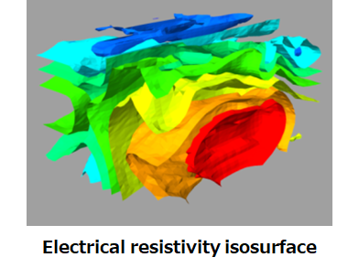
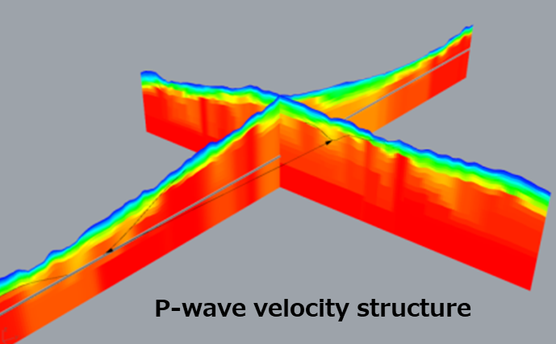
...
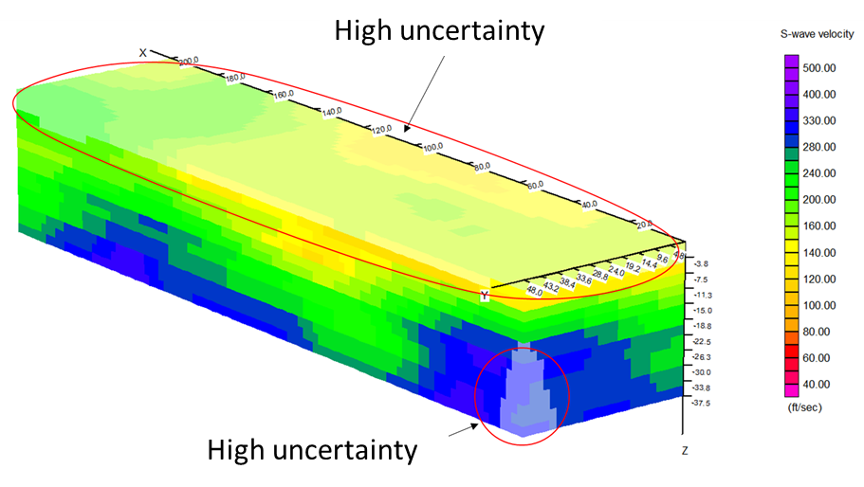
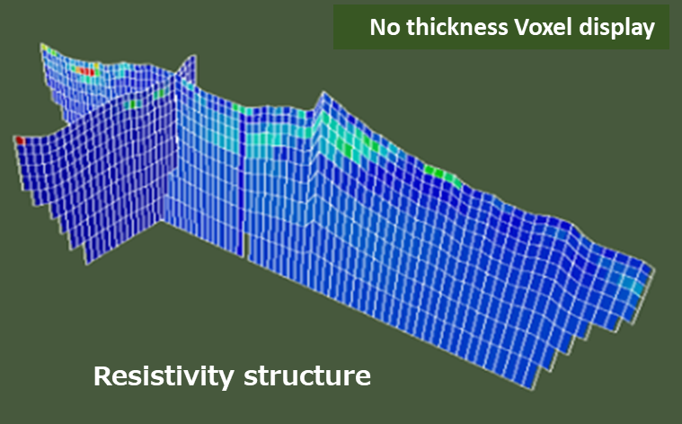
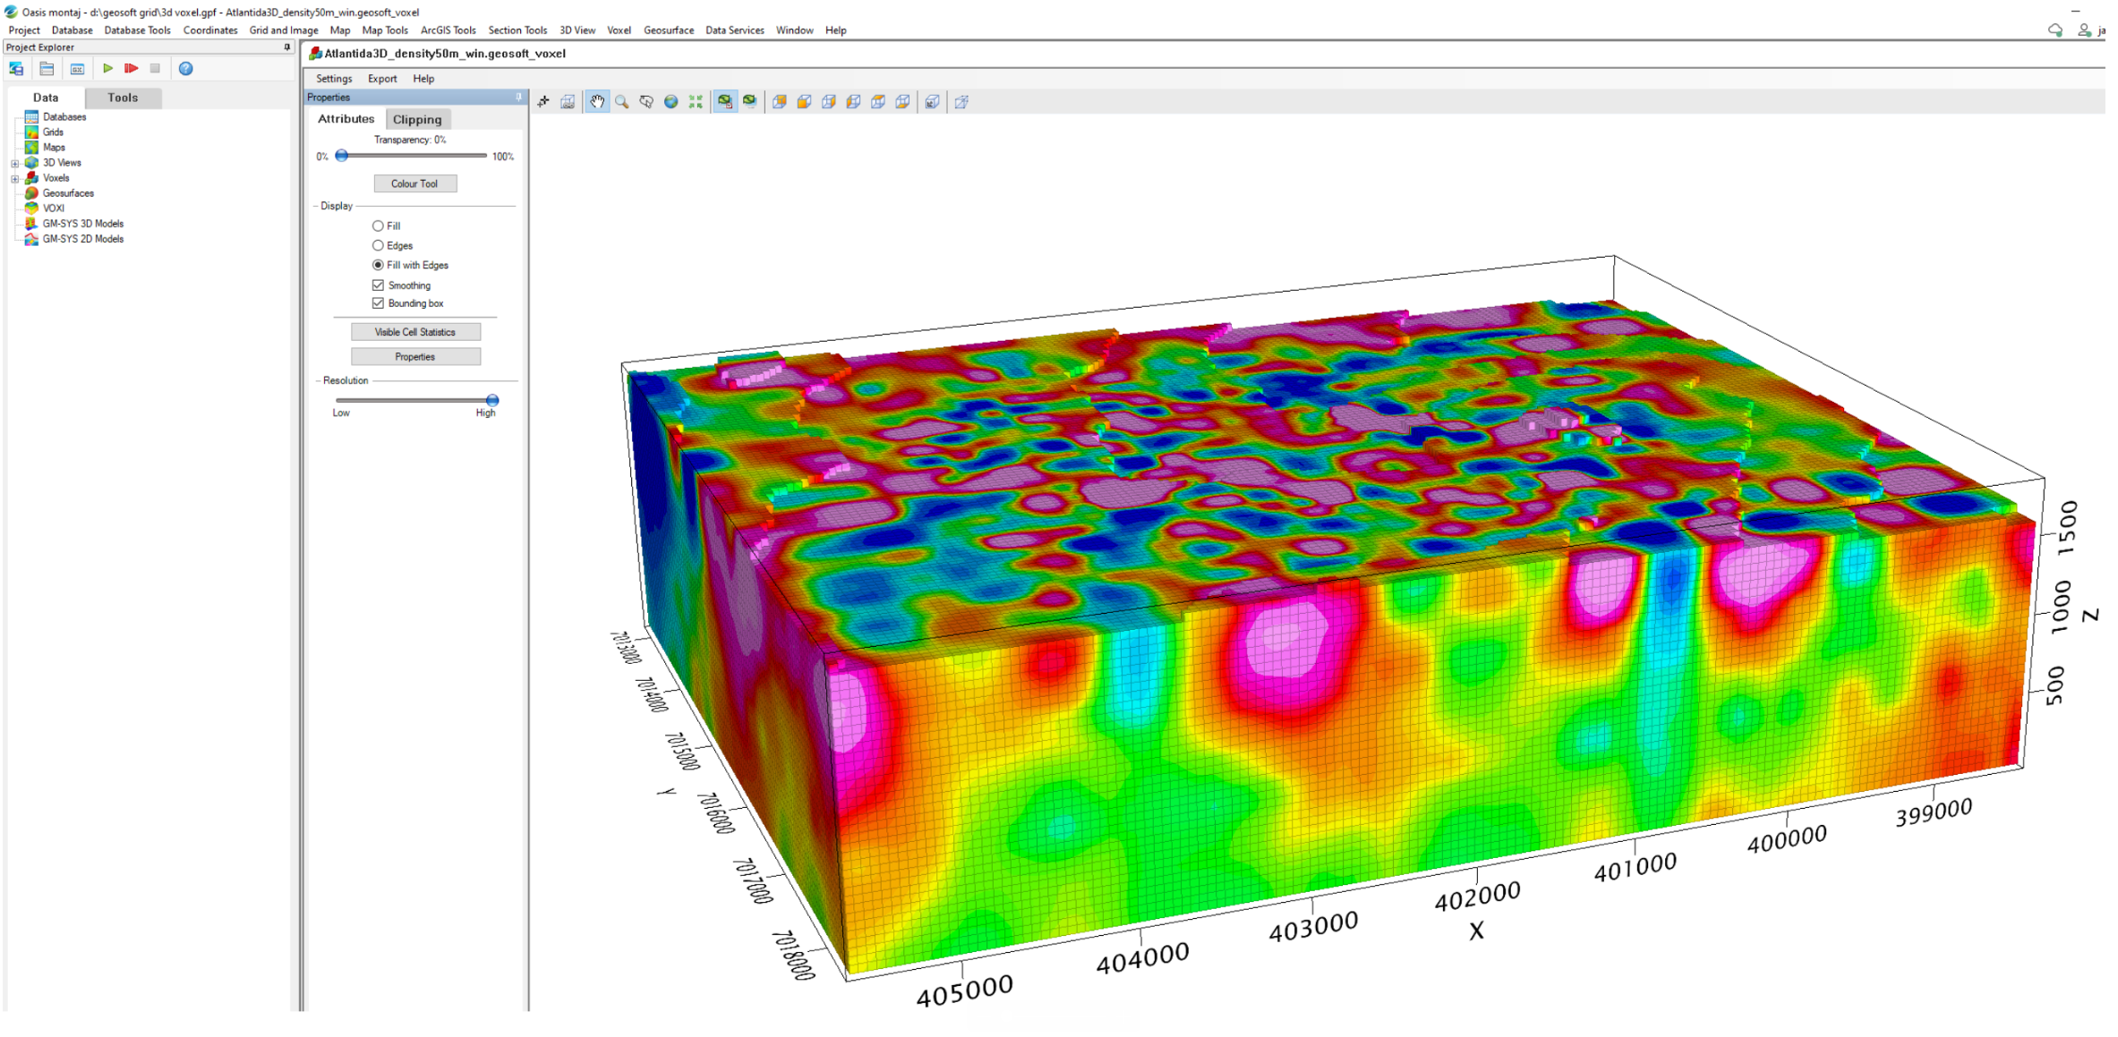
 |  |  |  |  |  |  |  |  |  |  |  |  |  |  |  | Voxel-candidate
 |  |  |  |  |  |  |  |  |  |  |  |  | Compare to uncertainty-descriptions |  |  | x
...
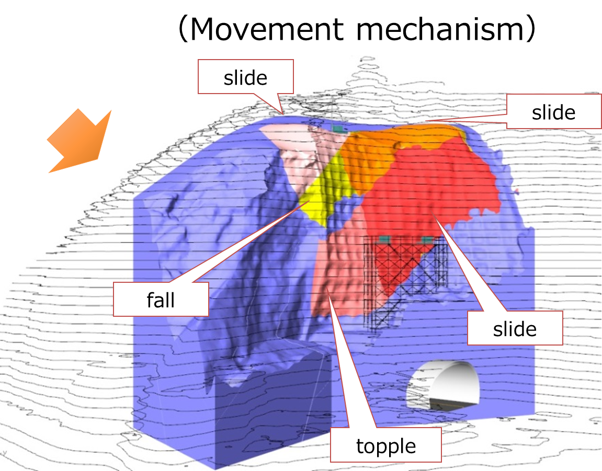
 |  |  |  |  |  |  |  |  |  |  |  |  |  |  |  | x
...
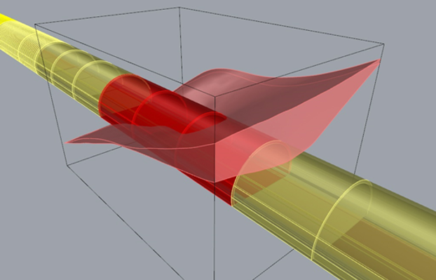
 |  |  |  |  |  |  |  |  |  |  |  |  | Typical instead of Tunnel in order to address other type of linear infra? - Shall also include calculus hypothesis. |  | Interval along the alignment/building structure with similar ground conditions, as part of the GeotechSynthesis model that represents the connection between the ground model and the building. Includes key-properties like expected distribution of ground types (reference to GeotechUnits) and baseline-definition of expected ground conditions and potential hazards, and may also include key-information on design like excavation measures, distribution of support types etc.
 |  |  |  |  |  |  |  |  |  |  |  |  | UC12b
 |  |  |  |  |  |  |  |  |  |  |  |  | UC12b
...
 |  |  |  |  |  |  |  |  |  |  |  |  | UC12b
...
 |  |  |  |  |  |  |  |  |  |  |  |  | UC12b
 |  |  |  |  |  |  |  |  |  |  |  |  | UC12b
...
 |  |  |  |  |  |  |  |  |  |  |  |  | GT32R2A1
 |  |  |  |  |  |  |  |  |  |  |  |  | GT32R2A1
 |  |  |  |  |  |  |  |  |  |  |  |  | GT32R2A1
 |  |  |  |  |  |  |  |  |  |  |  |  | GT32R2A1
...

PHASE 1 Geometry
 |  |  |  |  |  |  |  | 1
Logical category | Logical category/ spatial structure | Logical category/ spatial structure | Semantic element | Geometric Dimensions | Geometric representation | Figure |  | 1
GeoDocu | Mapping | OutcropDocu | OutcropLocation | 0D point 2/3D surface | Annotation, Idealized geometric element with general data related to mapped outcrop | 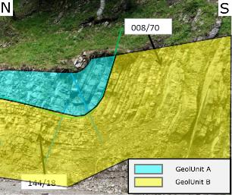 | iC / Asfinag | 1
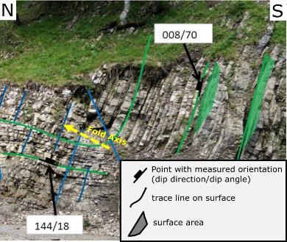
GeoDocu | Mapping | StructuralData | FoldAxis | 0D Point with measurement/attributes or 1D line | Annotation, Idealized geometric element with general data related to mapped object |  | iC / Asfinag | 1
GeoDocu | Mapping |  | Lineation |  |  |  |  | 1
GeoDocu | Mapping |  | DiscreteDiscontinuity | 0D Point with measurement/attributes 1D lines (traces of intersection with outcrop surface) 2/3D surface / pattern of surfaces | Annotation, Idealized geometric element with general data related to mapped object or IfcTriangulatedFaceSet / IfcFacetedBRep |  |  | 1
GeoDocu | Mapping |  | DiscontinuitySet |  |  |  |  | 1
GeoDocu | Mapping |  | FaultSurface | 2/3D surface | IfcTriangulatedFaceSet / IfcFacetedBRep |  | iC | 1
GeoDocu | Mapping |  | FaultZone | 3D Volume | IfcTriangulatedFaceSet / IfcFacetedBRep | 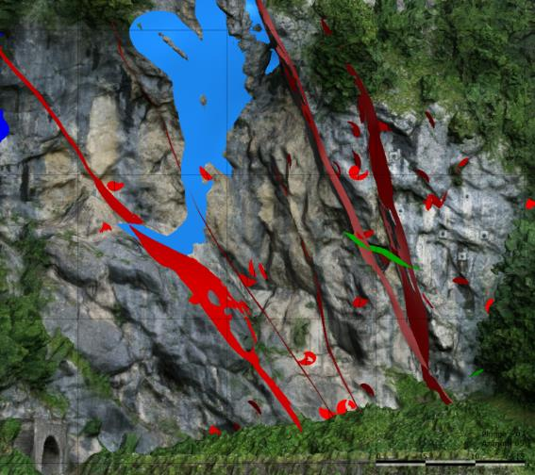 |  | 1
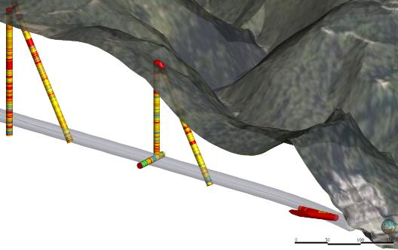
GeoDocu | SiteInvestigation | BoreholeData | Borehole | 1D line 3D volume (zylinder/sweep) | Ifc curve Extrusion IfcTriangulatedFaceSet / IfcFacetedBRep |  | iC / Asfinag | 1
GeoDocu | SiteInvestigation |  | BoreholeDesignInterval |  |  |  |  | 1
GeoDocu | SiteInvestigation |  | GeolLogInterval |  |  |  |  | 1
GeoDocu | SiteInvestigation |  | GeophysicsInterval |  |  |  |  | 1
GeoDocu | SiteInvestigation |  | DiscontinuitySet | 0D Point with measurement/attributes 2/3D surfaces | Annotation, Idealized geometric element (plane or "disk") with discontinuity properties |  | iC | 1
GeoDocu | SiteInvestigation |  | MWDdata | 1D line | Ifc curve |  | NGI | 1
GeoDocu | SiteInvestigation | LabTests | Sample | 0D Point with test results/attributes 1D line (e.g. borehole interval) 3D volume (box, zylinder/sweep) | Annotation, Idealized geometric element with test results Ifc curve or IfcTriangulatedFaceSet / IfcFacetedBRep | 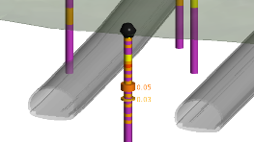 | iC | 1
GeoDocu | SiteInvestigation | FieldTests | GeotechInSituTest |  |  |  |  | 1
GeoDocu | SiteInvestigation |  | HydraulicTest | 0D Point with test results/attributes 1D line (e.g. borehole interval) 3D volume (box, zylinder/sweep) | Annotation, Idealized geometric element with test results Ifc curve, extrusion or IfcTriangulatedFaceSet / IfcFacetedBRep | 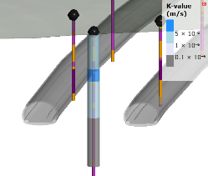 | iC | 1
GeoDocu | SiteInvestigation |  | (any other test) |  |  |  |  | 1
GeoDocu | SiteInvestigation | GeoPhysicSurvey | GeophysUnit | 0D Points with test results/attributes 1D line (e.g. borehole interval) 3D volume (e.g.layer model) | Annotation, Idealized geometric element with measured or interpreted values Ifc curve, extrusion IfcTriangulatedFaceSet / IfcFacetedBRep Voxel-Model | 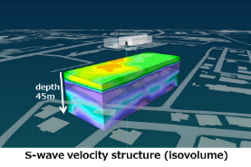 | OYO | 1
GeoDocu | TunnelDocu | ConstructSegment | ConstructSegment | 1D line (segment of tunnel axis) 2/3D surface (e.g. tunnel face/tunnel walls, idealized or real surveyed geometry) 3D volume (container, idealized or real surveyed geometry) | Idealized geometric element with general data related to segment on tunnel axis Ifc curve, extrusion, IfcTriangulatedFaceSet / IfcFacetedBRep |  | OYO | 1
GeoDocu | TunnelDocu |  | FaceLog | 2/3D surface (idealized or real surveyed geometry of tunnel face) 3D volume (container, idealized or real surveyed geometry) | Idealized geometric element with general data related to mapped tunnel face IfcTriangulatedFaceSet / IfcFacetedBRep |  | iC | 1
GeoDocu | TunnelDocu |  | FaceLogArea | 2/3D surface (idealized or real surveyed geometry of tunnel face) 3D volume (idealized or real surveyed geometry) | IfcTriangulatedFaceSet / IfcFacetedBRep | 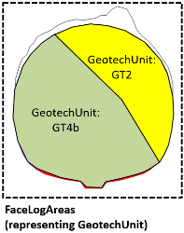 | iC | 1
GeoDocu | TunnelDocu |  | WallSegment | 2/3D surface (idealized or real surveyed geometry of tunnel wall) 3D volume (idealized or real surveyed geometry) | Idealized geometric element with general data related to mapped tunnel wall segment / segment area IfcTriangulatedFaceSet / IfcFacetedBRep | 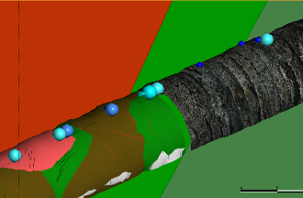 | iC / Asfinag | 1
GeoDocu | TunnelDocu |  | WallSegmentArea | 2/3D surface (idealized or real surveyed geometry of tunnel wall) 3D volume (idealized or real surveyed geometry) |  |  |  | 1
GeoDocu | TunnelDocu |  | DiscontinuitySet | 0D Point with measurement/attributes 2D lines (traces of intersection with outcrop surface) 2/3D surface /pattern | Annotation, Idealized geometric element with general data related to mapped object Ifc curve, extrusion, or IfcTriangulatedFaceSet / IfcFacetedBRep | 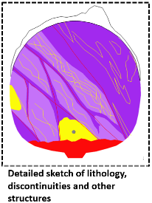 | iC | 1
GeoDocu | TunnelDocu |  | DiscreteDiscontinuity |  |  |  |  | 1
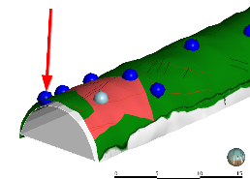
GeoDocu | TunnelDocu |  | RockBurst | 0D point 2/3D surface (e.g. surface at tunnel wall/face) 3D volume (container) | Annotation, Idealized geometric element with general data related to mapped object or IfcTriangulatedFaceSet / IfcFacetedBRep |  | iC / Asfinag | 1
GeoDocu | TunnelDocu |  | WaterInflowPoint |  |  |  |  | 1
GeoDocu | TunnelDocu |  | WaterInflowUnitary | 0D point (where measured) 1D line (segment of tunnel axis) 3D volume (container) | Annotation, Idealized geometric element with general data related to mapped object or IfcTriangulatedFaceSet / IfcFacetedBRep |  | iC / Asfinag | 1
GeoDocu | SlopeDocu |  | SlopeSegment | Container-Element with general data related to mapped slope segment / slope segment area 2/3D surface (idealized or real surveyed geometry of slope) 3D volume (container, idealized or real surveyed geometry) | Idealized geometric element with general data related to segment of cut slope IfcTriangulatedFaceSet / IfcFacetedBRep |  | iC | 1
GeoDocu | SlopeDocu |  | SlopeSegmentArea |  |  | 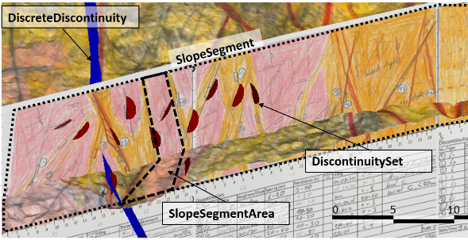 |  | 1
GeoDocu | SlopeDocu |  | DiscontinuitySet | 0D Point with measurement/attributes 2D lines (traces of intersection with outcrop surface) 2/3D surface /pattern | Idealized geometric element with general data related to mapped object or IfcTriangulatedFaceSet / IfcFacetedBRep |  |  | 1
GeoDocu | SlopeDocu |  | DiscreteDiscontinuity |  |  |  |  | 1
GeolModel | GeologicalModel |  | GeologicalUnit | 2.5D surface (contacts) 3D volume | IfcTriangulatedFaceSet IfcFacetedBRep Voxel-Model | 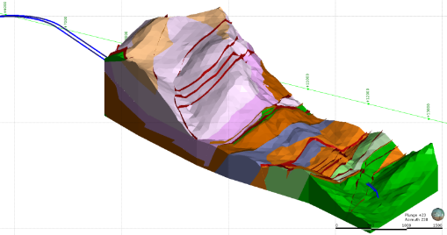 | iC / Asfinag | 1
GeolModel | FaultSystem |  | Fault | 2/3D surface 3D volume | IfcTriangulatedFaceSet IfcFacetedBRep Voxel-Model |  | iC / Asfinag | 1
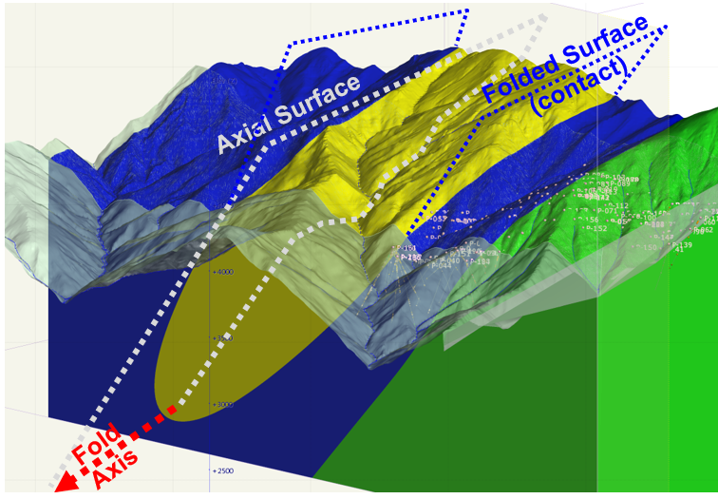
GeolModel | FoldStructure |  | FoldSurface | 3D surface 3D Volume | IfcTriangulatedFaceSet IfcFacetedBRep |  | iC | 1
GeolModel | FoldStructure |  | FoldAxis | 3D surface | IfcTriangulatedFaceSet IfcFacetedBRep |  |  | 1
GeolModel | FoldStructure |  | FoldAxialSurface | 3D surface | IfcTriangulatedFaceSet IfcFacetedBRep |  |  | 1
GeolModel | GeoHazards |  | Landslide | 2.5D surface (contacts) 3D volume | IfcTriangulatedFaceSet IfcFacetedBRep Voxel-Model |  | OYO | 1
GeolModel | GeoHazards |  | Rockfall | 2.5D surface (contacts) 3D volume | IfcTriangulatedFaceSet IfcFacetedBRep Voxel-Model | 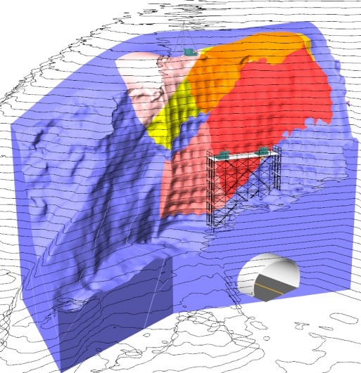 | OYO | 1
GeolModel | GeoHazards |  | DebrisFlow | e.g. boundaries of hazard zones 2D area 3D volume | IfcTriangulatedFaceSet IfcFacetedBRep Voxel-Model |  | OYO | 1
GeolModel | GeoHazards |  | Avalanches |  |  |  |  | 1
GeolModel | GeoHazards |  | Seismicity | e.g. boundaries of hazard zones 2D area 3D volume | IfcTriangulatedFaceSet IfcFacetedBRep Voxel-Model |  | OYO | 1
HydrogeoModel |  |  | Aquifer | 2.5D surface (contacts) 3D volume | IfcTriangulatedFaceSet IfcFacetedBRep Voxel-Model | 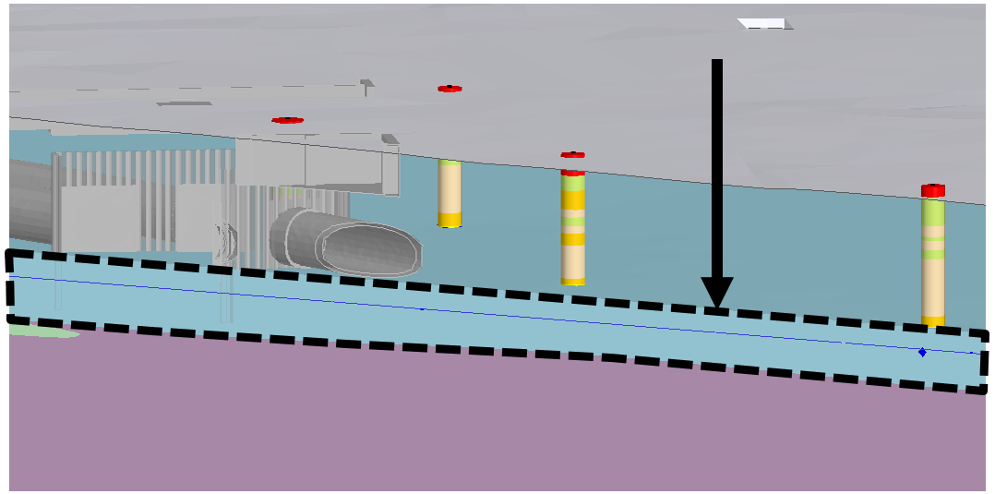 | iC | 1
HydrogeoModel |  |  | GroundwaterLevel | 2.5 / 3D surface | IfcTriangulatedFaceSet IfcFacetedBRep | 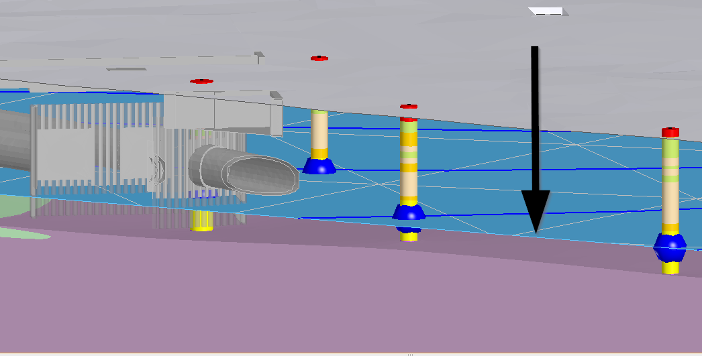 | iC | 1
GeotechModel | GeotechnicalDesignModel |  | GeotechUnit | 2.5D surface (contacts) 3D volume | IfcTriangulatedFaceSet IfcFacetedBRep Voxel-Model |  | iC | 1
GeotechModel | GeotechnicalDesignModel |  | Discontinuity | 3D surface 3D volume | IfcTriangulatedFaceSet IfcFacetedBRep Voxel-Model | 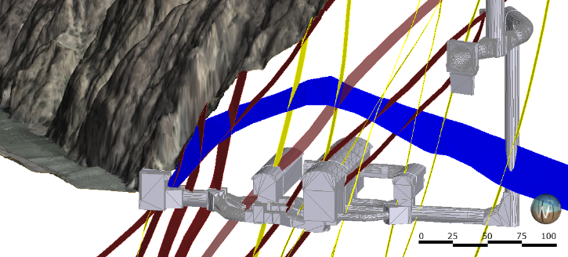 | iC | 1
GeotechModel | GeotechGround Section | Spatial Container | General | 2.5D surface (contacts) 3D volume | IfcTriangulatedFaceSet IfcFacetedBRep Voxel-Model | 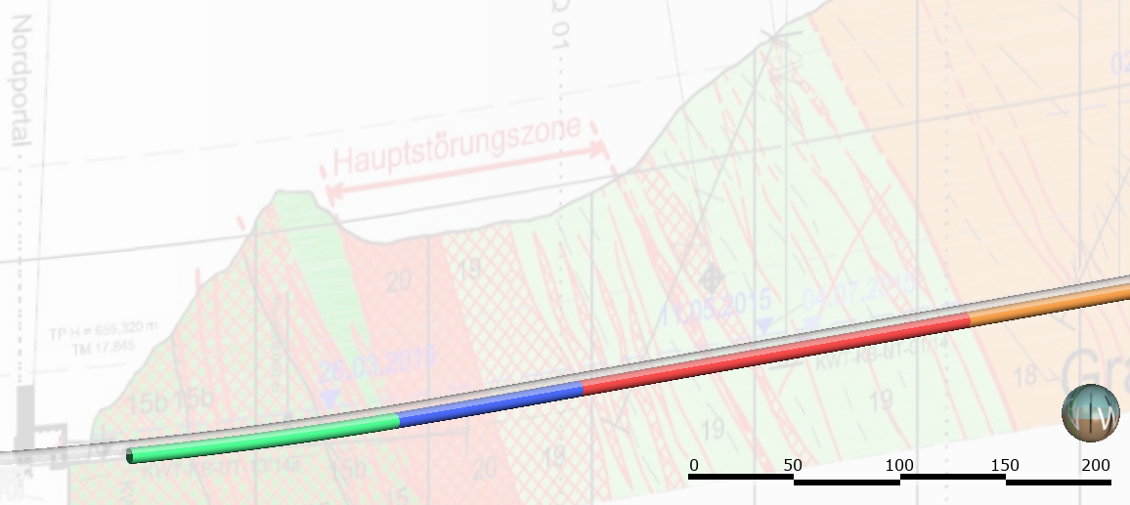 | iC | 1

